Cover Sheet
The 2019-2022 Specialized and Focused Geriatric Services Asset Inventory

Prepared by
Kelly Kay, Executive Director
Adam Morrision, Director Policy & Planning
Sarav Chouhan, BHSc Practicum Student, University of Western Ontario
Sumeet Jamil, BHsc Practicum Student, University of Western Ontario

Release Date
14-Mar-23


Corresponding Author
Kelly Kay
Provincial Geriatrics Leadership Ontario
c/o 2075 Bayview Avenue, RM H478
Toronto, ON. M4N 3M5
Tel: 905-376-3331
kkay@rgpo.ca

Acknowledgements
This report was supported by Provincial Geriatrics Leadership Ontario, which is funded by the Ontario Ministry of Health. The results are those of the authors and are independent from the funding source. Data in this report is drawn from program reports submitted by Ontario's Specialized and Focused Geriatric Services.

Enter new or missing data
(click here)
Errors & Omissions
PGLO strives for accuracy and completeness. If a record is incorrect, please note the asset identifier (Column A, Tab: Submitted SGS Program Data) and contact kkay@rgpo.ca to report the correct information.
To enter new or missing data, please visit the SGS Asset Mapping portal. PGLO periodically solicits updates from SGS programs and services to ensure the most current state picture of supply and utilization data is available to support capacity planning.

© 2023 Provincial Geriatrics Leadership Ontario.

Introduction
The 2019-2022 Specialized and Focused Geriatric Services Asset Inventory

Introduction
In 2021-2022 there were
Specialized Geriatric Services Programs
in Ontario
264
In 2021-2022, Ontario's SGS Programs provided care to patients through visits with expert interprofessional teams.
88,917
332,978
Integrated
Geriatric
Teams
Long Term Care Residents Supported by Nurse Led Outreach Teams (NLOTs) and Geriatric Psychiatry Outreach Services in 2021-2022.
15,387
Wait times are ↑ across all health services (including SGS).
More support is needed for the 640K older Ontarians living with frailty.
2019-2022 Specialized and Focused Geriatric Services Asset Inventory
Beginning in 2018, at the request of the Ministry of Health, PGLO commenced the collection of comprehensive data related to specialized geriatric programs and services in the province of Ontario. Specialized Geriatric Services (SGS) are defined as comprehensive, coordinated health services that assess, diagnose, and treat older adults living with complex health and social conditions. These services are provided across the continuum of care by interprofessional teams with expertise in the care of older adults. While the initial data collection was focused on SGS programs (including geriatric medicine and seniors mental health programs), in 2021 additional sites (e.g. Ontario Health Teams) who were implementing programming focused on older adults living with complex health conditions were also invited to submit data, to enable a more fulsome picture of supports for this population. To reflect this change, the initiative was renamed to the Specialized and Focused Geriatric Services Asset Inventory. The Provincial Specialized and Focused Geriatric Services Asset Inventory informs a current state view of the supply and utilization of health services designed for older people living with complex health conditions. Data is collected directly from programs and services via a secure customized web portal designed in collaboration with, and maintained by, Health Sciences North. The data collected is used to produce maps and reports that: • Enable the public and others to locate geriatric services in their community • Contribute to capacity planning by identifying the current supply and utilization of geriatric services • Support the spread of effective clinical models • Inform management decision making and health system design The data picture presented in this report reflects the only data initiative focused solely on geriatric clinical services in the province, and the picture painted is far from complete. Efforts to strengthen the infrastructure for geriatric services pro

Service Types
The 2019-2022 Specialized and Focused Geriatric Services Asset Inventory
Acute Geriatric Psychiatry Units
Definition: Acute mental health services that include short term crisis intervention, risk assessment, symptom reduction, rapid stabilization and active treatment for older people who require more support than can be provided in the community.
Additionally, contributors described these units as:
- Interprofessional or multidisciplinary
- Focused on older people experiencing disturbances in cognition with responsive behaviours related to their mental health, addictions and/or dementia diagnoses
- Generally funded through Acute Mental Health funding, rather than specialized geriatric resources
Geriatric Assessment and Treatment Units
Definition: Inpatient units for frail older persons with complex medical conditions who, following an episode of surgery/illness/injury, require an individualized assessment and treatment. These units do not typically receive patients directly from the ED (e.g. community admissions, internal transfer).
Contributors also noted patients on these units have complex health care issues, multiple diagnoses, and ongoing medical needs that require care in a hospital environment with specialized nursing staff. Teams focus on assisting clients to reach their optimum level of functioning and, when possible, transition them through the unit into a non-acute residence or their home.
Contributor descriptions highlight that these units may serve a variety of patients including
- Complex continuing care patients
- Transitional care patients
- Patients receiving palliative care
- Patient receiving rehabilitative services
Other names for these units included in this category “Geriatric Assessment & Rehabilitative Care”, “Geriatric Medicine Unit” or “Seniors Rehabilitative”.
Geriatric Outpatient Clinics
Definition: Assessment, diagnosis, treatment, monitoring, and follow-up of older persons in a clinic setting (includes general geriatric clinics, geriatric heart function clinics, geriatric osteoporosis, Parkinson’s clinics etc.).
Additionally, contributors described these services as:
- Generally operating Monday to Friday, during regular business hours
- Interprofessional
- Usually providing cohorted care to patients in an outpatient clinical setting. Some programs may integrate home visiting, but do not track these visits separately
- Providing visits in a hospital outpatient/ambulatory setting or a family practice setting, such as a visiting specialist clinic hosted at a family health team
- Inclusive of caregiver support although a count of “Caregivers supported” is typically not tracked, but can be very large. Some contributors reported this may be as high as five caregivers per patient
- Inclusive of a triage function to identify patients requiring an urgent visit
In 2021-22 there were 30 Geriatric Outpatient Clinics reported in the Asset Inventory. This is a decrease from 2017-18 when 59 such clinics were reported. This suggests a response rate of 51%.
Nurse Led-Outreach Teams
Definition: Nurse-led outreach teams (NLOTs) travel to long-term care homes to assess the health care needs of residents and provide timely treatment in the home. These teams of health care professionals help to ensure residents in long-term care (LTC) homes receive the appropriate care in their home to avoid an unnecessary trip to an emergency department.
NLOTs were developed during the 2010 Aging at Home Strategy in Ontario to provide emergency mobile nursing services in Ontario LTC homes for the purpose of reducing unnecessary transfers to emergency departments (ED), hospital admissions and length of stay through early repatriation back to LTC. There are currently 14 NLOT programs operating in 26 sites across Ontario’s legacy Local Health Integration Network (LHINs) geographies. NLOT programs have varied models (NP, RN and blended NP/RN models) designed to support local integration of LTC homes with the broader healthcare system. A review of all NLOT programs conducted in 2022 identified that not all LTC homes in Ontario have access to the supports and resources available through the NLOT program.
Twelve of 26 funded program sites (46%) supplied program utilization data to the Provincial Specialized and Focused Geriatric Services Asset Inventory for the fiscal years 2019-2020, 2020-2021 and 2021-2022. Together, these 12 programs provided more than 20,000 visits to LTC residents to assist in the management of acute conditions and in an effort to prevent transfer to hospital.
Contributors provided data on approximately 27% of the funded Nurse Practitioner (NP) positions (19.7 of 72.7 FTEs) and 91% of the funded Registered Nurse (RN) positions (9.6 of 10.5 FTEs).
Hospital Elder Life Program
Definition: The Hospital Elder Life Program (HELP) aims to keep hospitalized older adults mentally and physically active which helps to prevent delirium and functional decline.
The H.E.L.P. program is a new addition to the SGS Asset Inventory, with three sites reporting in the last reporting period including:
- The Royal Victoria Regional Health Centre
- North York General Hospital
- Guelph General Hospital
Contributors report that the goal of the Hospital Elder Life Program (H.E.L.P.) is to support patients so that they can stay involved and active during their time in the hospital. H.E.L.P. is designed to work along with the medical care a patient is receiving. The Hospital enrolls patients if the program fits their needs. The program supports patients so that they can be comfortable doing everyday activities.
Specially trained volunteers spend time with patients every day.
The program's volunteers work with patients to: Keep their minds active by chatting with themand showing them around the hospital; Helping patients to do activity during the day so that they can sleep well throughout the night; Keeping their bodies active by walking and doing other exercises; Encouraging them to eat and drink every day; Making sure they are able to see and hear clearly and providing equipment if they need it.
Evidence suggests that the Hospital Elder Life Program successfully prevents cognitive and functional decline in at-risk older patients (Inouye SK, Bogardus ST Jr, Baker DI, Leo-Summers L, Cooney LM Jr. The Hospital Elder Life Program: a model of care to prevent cognitive and functional decline in older hospitalized patients. Hospital Elder Life Program. J Am Geriatr Soc. 2000 Dec;48(12):1697-706. doi: 10.1111/j.1532-5415.2000.tb03885.x. PMID: 11129764.)
Service Types

Twenty six different service types have been defined through consultation. A "service type" includes specific service delivery features, such as - Unique program/service goals and objectives - An identified, evidence informed model of care - A specific enduring location (inpatient, outpatient, community, long term care, primary care, virtual) - Dedicated staffing/staff mix Service types are generally supported in evidence or evaluation literature and may include provincially recognized program roles (e.g. Geriatric Emergency Management nurses, Psychogeriatric Resource Consultants, Nurse Led Outreach Teams). When defining a service type, definitions shoud be clearly distinguishable from other service types. The list of service types and definitions is provided below. Where contributors provided additional information about a service type (e.g. clinical model), this has been summarized and hyperlinked for further reading.
Acute Geriatric Units/Acute Care of the Elderly Units
Definition: Inpatient hospital units in an acute care setting for persons who require short-term diagnostic investigation and treatment. These units may receive patients directly from the emergency department.
Additionally, contributors described these units as
Floors or units that are entirely focused on older patients
In-patient care locations that combine medical management and interprofessional team care
Focused on assisting patients to maintain or regain their pre-admission baseline level of function
Emphasizing early mobilization to prevent functional decline
According to the Canadian Foundation for Healthcare Improvement, between March 2016 and March 2017, twelve (12) Ontario facilities participated in the Acute Care for Elders (ACE) Collaborative, including:
Geraldton District Hospital
Halton Healthcare
Hamilton Health Sciences
London Health Sciences Centre
Montfort Hospital
Orillia Soldiers' Memorial Hospital
Queensway Carleton Hospital
Quinte Health Care
Scarborough Hospital
Thunder Bay Regional Health Sciences Centre
University Health Network
William Osler Health System
The results of this collaborative, which provided funding, coaching, educational materials and tools, included culture and care process change, changes in data collection and measurement practices and reported “greater compassion for the needs of elderly patients with dementia”. These changes were reported to improve patient outcomes and staff knowledge; however facilities may not have developed stand-alone units referred to specifically as ACE units. https://www.cfhi-fcass.ca/WhatWeDo/ace
https://www.cfhi-fcass.ca/OurImpact/ImpactStories/ImpactStory/2018/07/25/overview-cfhi-helps-hospitals-ace-elderly-friendly-care.
In 2021-22, only two of the original ACE units (Orillia Soldier's Memorial Hospital and Queensway Carlton Hospital reported ACE unit data. Eight additional ACE, not included in the original collaborative, also provided data. It is not clear if the orginal ACE units continue; if so, then the current reporting response rate would be 10/20 or 50%.
Geriatric Day Hospitals
Definition: Ambulatory programs that provide diagnostic, rehabilitative, or therapeutic services to persons living in the community who require more care than a Geriatric Clinic can provide.
Contributors provided additional comments describing the Geriatric Day Hospital (GDH) model. Most indicate the purpose is to provide comprehensive geriatric assessment (CGA) and rehabilitative care in an out-patient setting to older adults living with frailty following discharge from hospital or who are at risk of a hospital admission because of complexity.
Care provided in a GDH is tailored to the older adult’s goals and aims to promote functional recovery, reduce the burden of illness or disability, improve quality of life, and prolong independent living. GDHs facilitate linkages and referrals to appropriate community services following discharge from the GHD.
Day hospitals include:
- Interprofessional teams from a variety of disciplines
- A rehabilitation program focused on the patient’s goal(s)
- An anchor in Geriatric Psychiatry or Geriatric Medicine (or both)
- A focus on supporting transition between a hospital stay and full return to independent living post hospital stay
Other names for the services included in this category were:
- Seniors and Rehabilitation Day Hospital Program
- Seniors Day Rehabilitation
- Day Treatment Centre
- Short Term Assessment and Treatment Program (STAT)
- Mobile Geriatric Day Hospital
- Seniors' Outpatient Assessment & Rehabilitation/Day Hospital - Day Hospital Program
- Geriatric Psychiatry Day Program
- Geriatric Medicine Ambulatory Services and Day Hospital (Day Hospital Portion)
- Geriatric Day Hospital Service
It should be noted that similar names were also used for units not categorized as geriatric day hospitals. In 2021-22 ten organizations reported operating a day hospital. This compares to 16 facilities reporting in 2017-18, suggesting response rate of 63%.
Geriatric Outreach Teams
Definition: Comprehensive assessments conducted by one or more health care professionals in the older person’s place of residence or another setting. These teams collaborate with community and primary care and provide system navigation to keep at-risk seniors at home and out of hospital.
Additionally, contributors described these teams as:
- Interprofessional
- Utilizing a geriatric assessor approach, whereby one or two members of the interprofessional team attend the home visit and gather detailed assessment information for later review and analysis by the entire interprofessional team
- Largely focused on providing in-home Comprehensive Geriatric Assessments (CGA) and interventions, to older adults with complex health concerns who are too frail to attend in-clinic appointments
- Providing initial and follow-up visits, and in some case ongoing case management
- Coordinating referrals to other community services, include home care services
Names for these services include:
- Continuing Care Program Mackenzie Health
- Emergency Department Outreach Service
- Geriatric Assessment and Intervention Network (GAIN)
- Geriatric Assessment Outreach Team
- Geriatric Long Term Care (LTC) Outreach Team
- Geriatric Outreach Team
- Geriatric Outreach Team- Occupational Therapist Assessment Service
- Integrated Community Care Team (ICCT)
- Integrated Psychogeriatric Outreach Program
- Integrated Regional Falls Program: Home Visits
- Regional Geriatric Outreach Program
- Seniors' Outpatient Services (Geriatric Medicine and Geriatric Psychiatry Outreach Team)
- Specialized Geriatric Services (Geriatric Resource Nurses)
In 2017-18 a totalof 34 programs were reported by 30 facilities. In 2021-22, 30 facilities submitted reports on 30 programs, a slight decrease.
Service Type | Definition | Other Services
Acute Geriatric psychiatry units | Acute mental health services that include short term crisis intervention, risk assessment, symptom reduction, rapid stabilization and active treatment for older people who require more support than can be provided in the community. | The Asset Inventory also permits contributors to identify new and emerging models and definitions. The following programs were submitted as "Other": Central Intake Services The Ottawa Hospital Continence Clinic/Clinique de continence Hôpital Monfort Geriatric and Geriatric Psychiatry Outpatient Clinics and Outreach Team Community Addiction and Mental Health Services of Haldimand and Norfolk (CAMHS) - Specialized Geriatric Services Reactivation Care Unit Health Sciences North - Ramsay Lake Health Centre Transitional and Mobile Services Wendat Community Programs (Services for Seniors: Mobile Social Work Service, Transitional Support) Hamilton Health Sciences (OTs2Go Mobile Seating Assessment Service) Integrated Geriatric Psychiatry and Behavioural Support Team The Ottawa Hospital
Acute Geriatric Units/Acute Care of the Elderly Units | Inpatient hospital units in an acute care setting for persons who require short-term diagnostic investigation and treatment, may receive patients directly from the emergency department. Geriatricians or Care of the Elderly physicians may act as Most Responsible Physician on these units.
Geriatric Emergency Management (Nurses)
Definition: Consultation by a specialized geriatric health professional in the emergency department (ED) providing assessment, identification of “at risk” older persons, initiation of appropriate treatment, and linkages with community and primary care.
Geriatric Emergency Management (GEM) nurse roles are key enablers of excellent care for older patients in emergency departments. Since 2006, more than 130 such roles have been created in hospitals across Ontario. GEM nurses support interdisciplinary assessment, liaise with family members, support the training and education of the emergency department team to build capacity in emergency care for older people and use and contribute to the development of senior friendly standards, policies and processes within and external to hospitals.
Core Functions
Core functions of GEM nurses typically include:
- Case finding of high-risk older adults;
- Conducting targeted geriatric assessments;
- Assisting emergency staff with discharge decisions;
- Acting as the liaison between the emergency department and acute care and between the department and community services/agencies;
- Facilitating timely patient access to community-based services and Regional Specialized Geriatric Services
- Collaborating with Home and Community Care Support Services to develop care plans for home (which may include advocating for crisis placement for high-risk geriatric patients);
- Following-up with discharged patients;
- Educating staff, patients and caregivers with respect to geriatric issues and services available; and
- Contributing to data collection of key quality indicators.
The typical process flow in an emergency department with a GEM nurse may follow:
While there is variation across the province, since 2006 GEM models have included the following four core components:
Routine risk screening for all seniors 75 years and older presenting to the ED. This may be provided in up to two phases of screening including:
Upfront screening/case finding by ED triage staff (sometimes facilitated electronically) to identify GEM-appropriate patients using pre-established criteria such as
aged 75 years and over
have had two or more ED visits in the previous six months
present with a Canadian Triage and Acuity Scale or CTAS (http://caep.ca/resources/ctas) score of greater than 24
Additional screening by ED staff, or in some cases GEM nurses, using one of two standardized tools
Triage Risk Screening Tool (TRST), or
Identifying Seniors at Risk (ISAR) tool
Targeted geriatric nursing assessment in the ED to identify geriatric syndromes, acute symptoms, underlying health conditions and assess physical, functional, emotional and cognitive status, home environment issues and home supports needed for high risk seniors identified in the emergency department.
Initiation of referral and follow-up process upon discharge from the ED (i.e. discharge home, admitted or returned to LTC) including recommendations for older adults with frailty assistance with implementation of recommendations, within the emergency department in collaboration with other hospital services, specialized geriatric services, and with community based service providers.
Multi-dimensional capacity building with GEM stakeholders
The recommended model for GEM includes nursing, social work and care coordination. Additionally, contributors noted:
- Challenges related to the increasing volume (and acuity) of those patients 70+ presenting to ED every day, and trying to be a touch point to each one of them.
- Importance of the use of strategies to identify patients most appropriate for GEM intervention (e.g. Assessment Urgency Algorithm)
- Importance of linkages with Nurse Led Outreach Teams (NLOTs) and Community Paramedicine programs
One specific example, the GEM Plus model in the Champlain region, is an example of a novel funding approach to ensure access to community support services that help to avoid hospital admissions and ED repeat visits. In the GEM Plus model, 25% of program funding is used for the GEM nurses and 75% is directed to service partners to enhance program capacity for referred GEM patients, which enables the patients to have priority appointments for required services. Wilding et al. (2015) reported the realization of savings of 1310 bed days and more than $1.9M in health expenditures in resulting from the GEM Plus program at The Ottawa Hospital .
https://www.rgptoronto.ca/wp-content/uploads/2017/12/Collaborative_Model_of_Emergency_Departments_Services.pdf
Care of the Elderly Physicians | Family physicians who have completed a recognized Care of the Elderly Training Program and hold a certificate of added competence in Family Medicine in Care of the Elderly or their experience has been recognized by attestation. They must be practicing as COE physicians and imbedded in other SGS services. This may include primary care physicians who have received a focused practice designation for Geriatric Medicine or Seniors Mental Health (SMH). Counting those engaged in SGS or SMH (not hospitalists).
Inpatient enhanced Geriatric Consult Services/Virtual Ward | Inpatient hospital service in which the attending physician, or MRP, for an older adult with complex health concerns is an SGS specialist (GM, GP, COE). Patients may be distributed across the organization. The care team usually includes specialized staff. This team provides recommendations, write orders and implements plans of care.
Inpatient Geriatric Co-management services | Inpatient hospital service in which the attending physician or MRP for an older adult with complex health concerns is NOT an SGS specialist, but rather a geriatric specialist may consult or co-manage care. Patients may be distributed across the organization. The care team may include specialized staff. This team provides recommendations only, and does not write orders or assume responsibility for implementation of plans of care.
Geriatricians | Internal medicine specialists who hold a subspecialty in geriatric medicine and are registered to practice in Ontario (includes those who hold RCPSC certification or who have status as a CPSO Recognized Specialist in geriatrics).
Geriatric Medicine Rehabilitation Units | Inpatient units accepting admissions from ED, Acute or direct from community following an acute hospital stay, serving patients who are frail with multiple co-morbidities and needing rehab before community discharge. The average length of stay may vary from 15-35 days, or up to 90 days for patients receiving slower stream rehabilitation. Patient may require diagnosis clarification, medication change, and short-term multidisciplinary rehab assessment and treatment. Many of these individuals may live in satellite communities where travel is a barrier to coming to clinic or day hospital frequently.
Geriatric Assessment and Treatment Units | Inpatient units for frail older persons with complex medical conditions who, following an episode of surgery/illness/injury, require an individualized assessment and treatment. These units do not typically receive patients directly from the ED (e.g. community admissions, internal transfer).
Geriatric Medicine Day Hospitals | Ambulatory programs that provide diagnostic, rehabilitative, or therapeutic services to persons living in the community who require more care than a Geriatric Clinic can provide.
Geriatric Psychiatry/Mental Health Day Hospitals | An ambulatory program providing multi-component intensive day treatment to older individuals with serious mental illness. Treatment may include individual and group psychotherapy, medication management, and a variety of other individual and group interventions focused on functional, cognitive, and physical impairment; and social concerns.
Geriatric Emergency Management (Nurses) | Consultation by a specialized geriatric health professional in the emergency room providing: assessment, diagnosis, identification of “at risk” older persons, initiation of appropriate treatment, and linkages with community and primary care.
Geriatric Outpatient Clinics | Assessment, diagnose, treatment, monitoring, and follow-up of older persons in a clinic setting (includes general geriatric clinics, geriatric heart function clinics, geriatric osteoporosis, geriatric falls /fracture clinics , Parkinsons clinics etc.).
Geriatric Outreach Teams | Comprehensive assessments conducted by one or more health care professionals in the older person’s place of residence. These teams collaborate with community and primary care and provide system navigation to keep at-risk seniors at home and out of hospital.
Geriatric Psychiatrists | Psychiatry specialists who hold a subspecialty in geriatrics and are registered to practice in Ontario (holds FRCPC designation) or may be general psychiatrist who practice part time in Seniors Mental Health.
Geriatric Psychiatry Outpatient Clinics | In clinic assessment, treatment and support for older people who are experiencing symptoms of serious mental illness. May include first occurrence of the illness, or an individual requiring longer term intervention (inclusive of Mood clinics, Psychosis clinics etc.).
Geriatric Psychiatry Outreach Teams | Interprofessional mental health teams who provide specialized geriatric psychiatry consultation that includes assessment (in home or community), diagnosis, treatment and behavioural recommendations that will assist the primary care provider with their treatment plan for their patient. (includes Geriatric Mental Health Outreach Team).
Nurse Led Outreach Teams (NLOTs) | Nurse-led outreach teams travel to long-term care homes to assess the health care needs of residents and provide timely treatment in the home. These teams of health care professionals help to ensure residents in long-term care homes receive the appropriate care in their home to avoid an unnecessary trip to an emergency department.
Tertiary Non-Dementia Geriatric Psychiatry Units | Tertiary mental health services that include short and longer term crisis intervention, risk assessment, symptom reduction, rapid stabilization and active treatment for older people who require more support than can be provided in the community or in acute care settings.
Tertiary Dementia Specialty Units | Tertiary mental health services that include short and longer term crisis intervention, risk assessment, symptom reduction, rapid stabilization and active treatment for older people with a diagnosis of dementia who require more support than can be provided in the community or in general acute care facilities.
Geriatricians | Internal medicine specialists who hold a subspecialty in geriatric medicine and are registered to practice in Ontario (includes those who hold RCPSC certification or who have status as a CPSO Recognized Specialist in geriatrics.
Primary Care Collaborative Memory Clinics (includes MINT clinics) | Diagnosis, treatment and care for people living with dementia provided at the primary care level through a recognized clinical model and are supported by specialists from geriatric medicine, geriatric psychiatry and cognitive neurology.
Other Primary Care Memory Clinic | Diagnosis, treatment and care for people living with dementia provided at the primary care level.
Psychogeriatric Resource Consultants | Specialized interdisciplinary professionals who work collaboratively with a multitude of organizations to provide education, training, and consultative support to staff across various sectors (e.g. LTC Homes, Retirement Homes, Acute Care, Primary Care and Community). As an essential proponent of BSO’s third pillar of knowledgeable care teams and capacity building, PRCs work as advisors, educators, facilitators, coaches and network builders in the delivery of capacity building activities related to optimizing care for individuals with, or at risk of, responsive behaviours/personal expressions.
Residential Addictions Treatment Programs (for the over 65) | Assessment and integrated mental health and addictions treatment in a residential program, which may include graduated passes home, transitional discharge, family support, and aftercare.
Shared care geriatric mental health program | A collaborative service that includes on site geriatric psychiatry support that includes indirect support and education, and direct clinical consultation and follow-up care with primary care .
Specialist Based Memory Clinic Models | Locally developed interdisciplinary approach to memory/dementia care in which medical direction is provided by specialists. Focus on neurodegenerative disorders and may support primary collaborative care memory clinics now MINT clinics.
New 2022
Community Paramedicine | A community paramedicine program includes; an identified patient population (case finding), a provision of episodic care (through a care plan), and a case management approach that includes the continuum of care, in collaboration with primary care and/or specialized services.
Population Health Focused Program (Older Adults) | These are programs and services developed by Ontario Health Teams, Primary Care and others (non-specialist) specifically to address the needs of older adults living with complex and chronic health conditions and their caregivers.
Falls/Falls Prevention Clinic/Program | A program that provides consultation with geriatrics trained experts (e.g. specialist physician, physiotherapist etc.) to assess people over the age of 65 who are having falls or are at risk of falling.
Geriatric Urgent Care | A clinic that provides timely comprehensive geriatric assessments for patients seen in the Emergency Department but not requiring admission and inpatients ready for discharge, who require a timely comprehensive geriatric assessment.
Geriatric Telemedicine/Telepsychiatry Service | A telemedicine based service that operates in a virtual only capacity. May include e-consult services (e.g. Ontario Telehealth Network). Excludes programs that also offer in person visits, which are reported elsewhere. Location of base (e.g. urban centre) does not reflect distribution of service (e.g. remote north).
Hospital Elder Life Program | The Hospital Elder Life Program (HELP) aims to keep hospitalized older adults mentally and physically active which helps to prevent delirium and functional decline.

Success Stories and Narratives
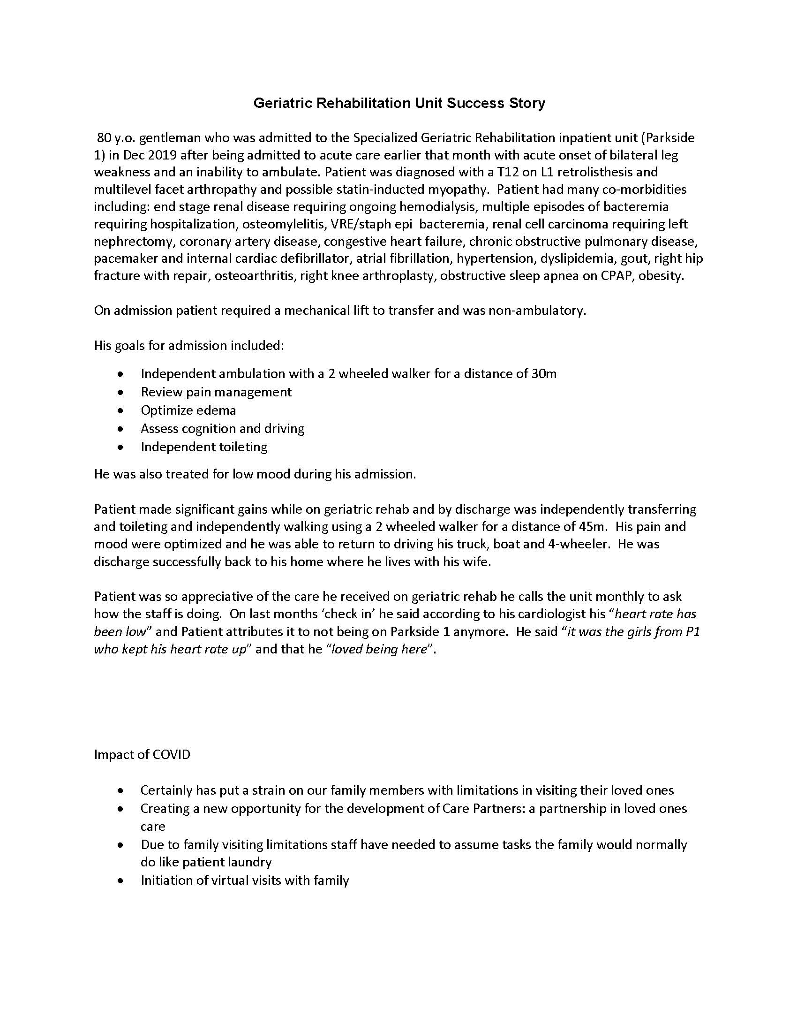
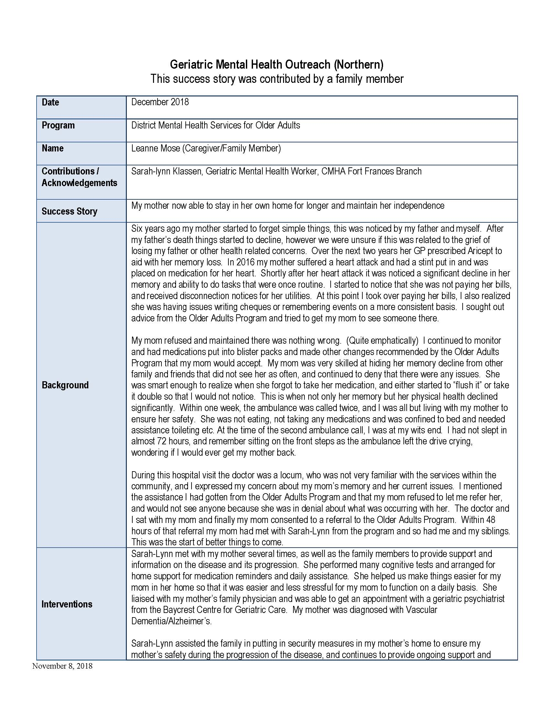
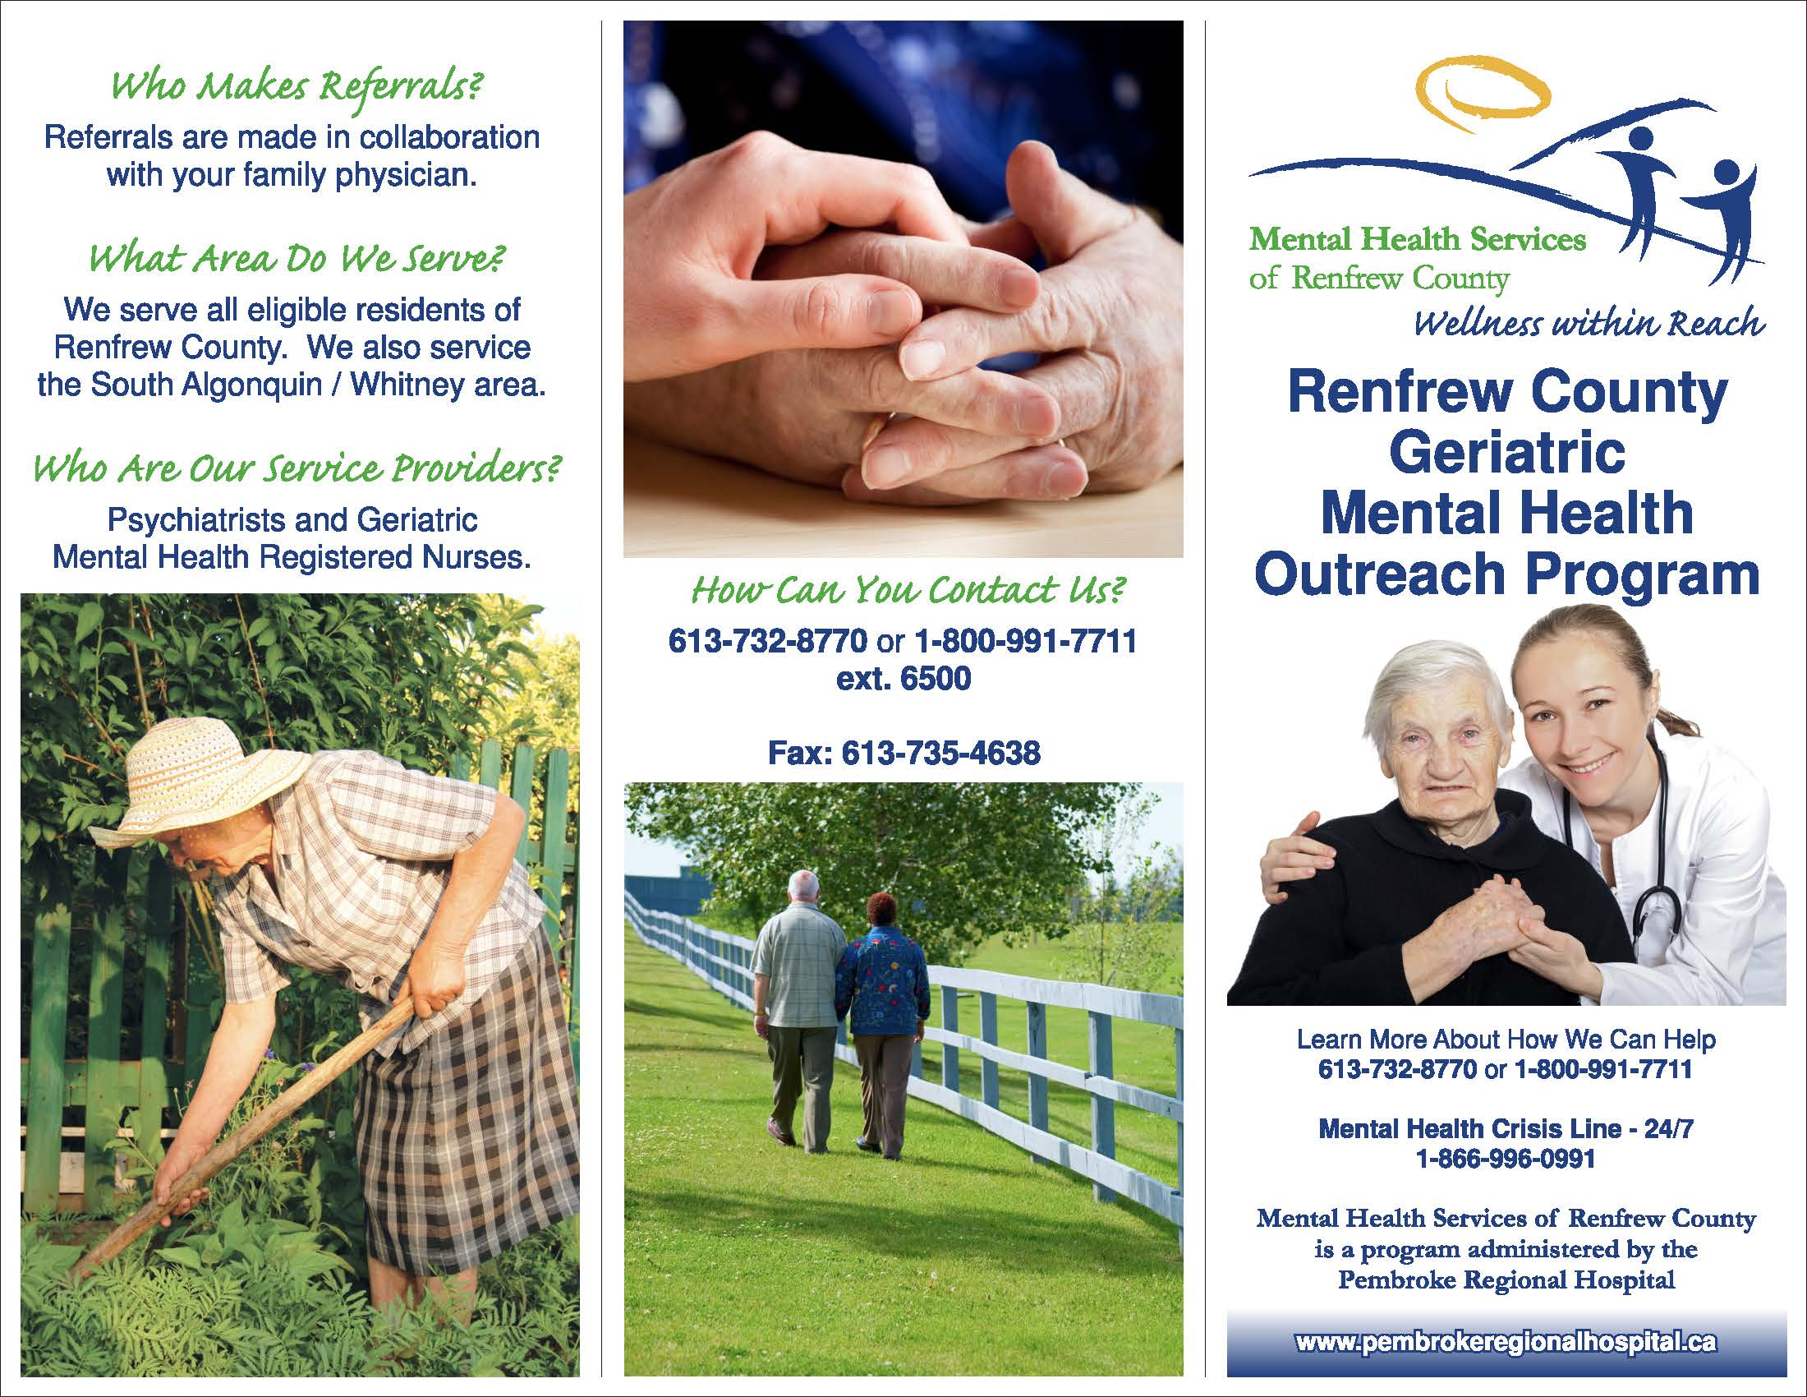
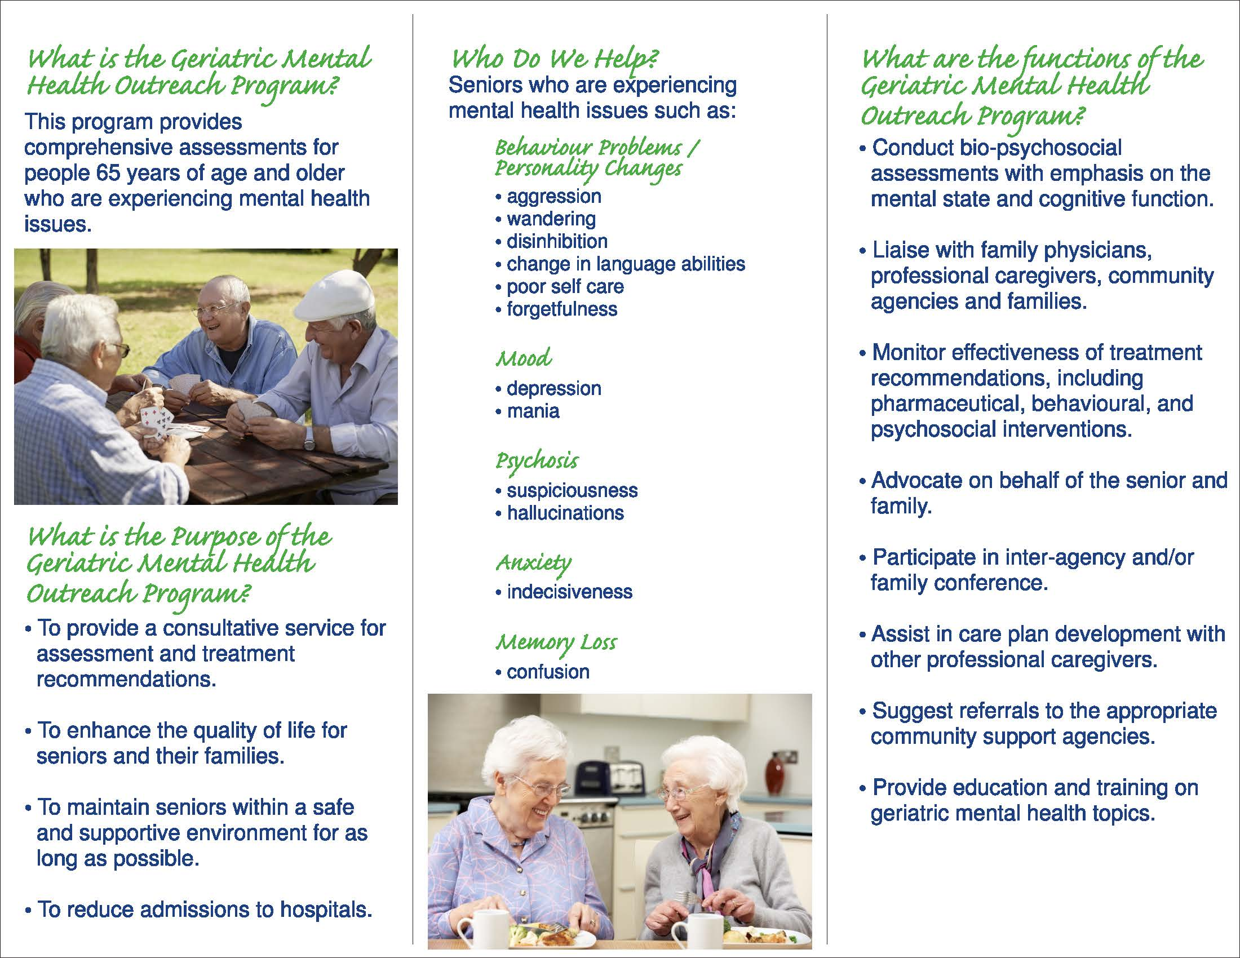
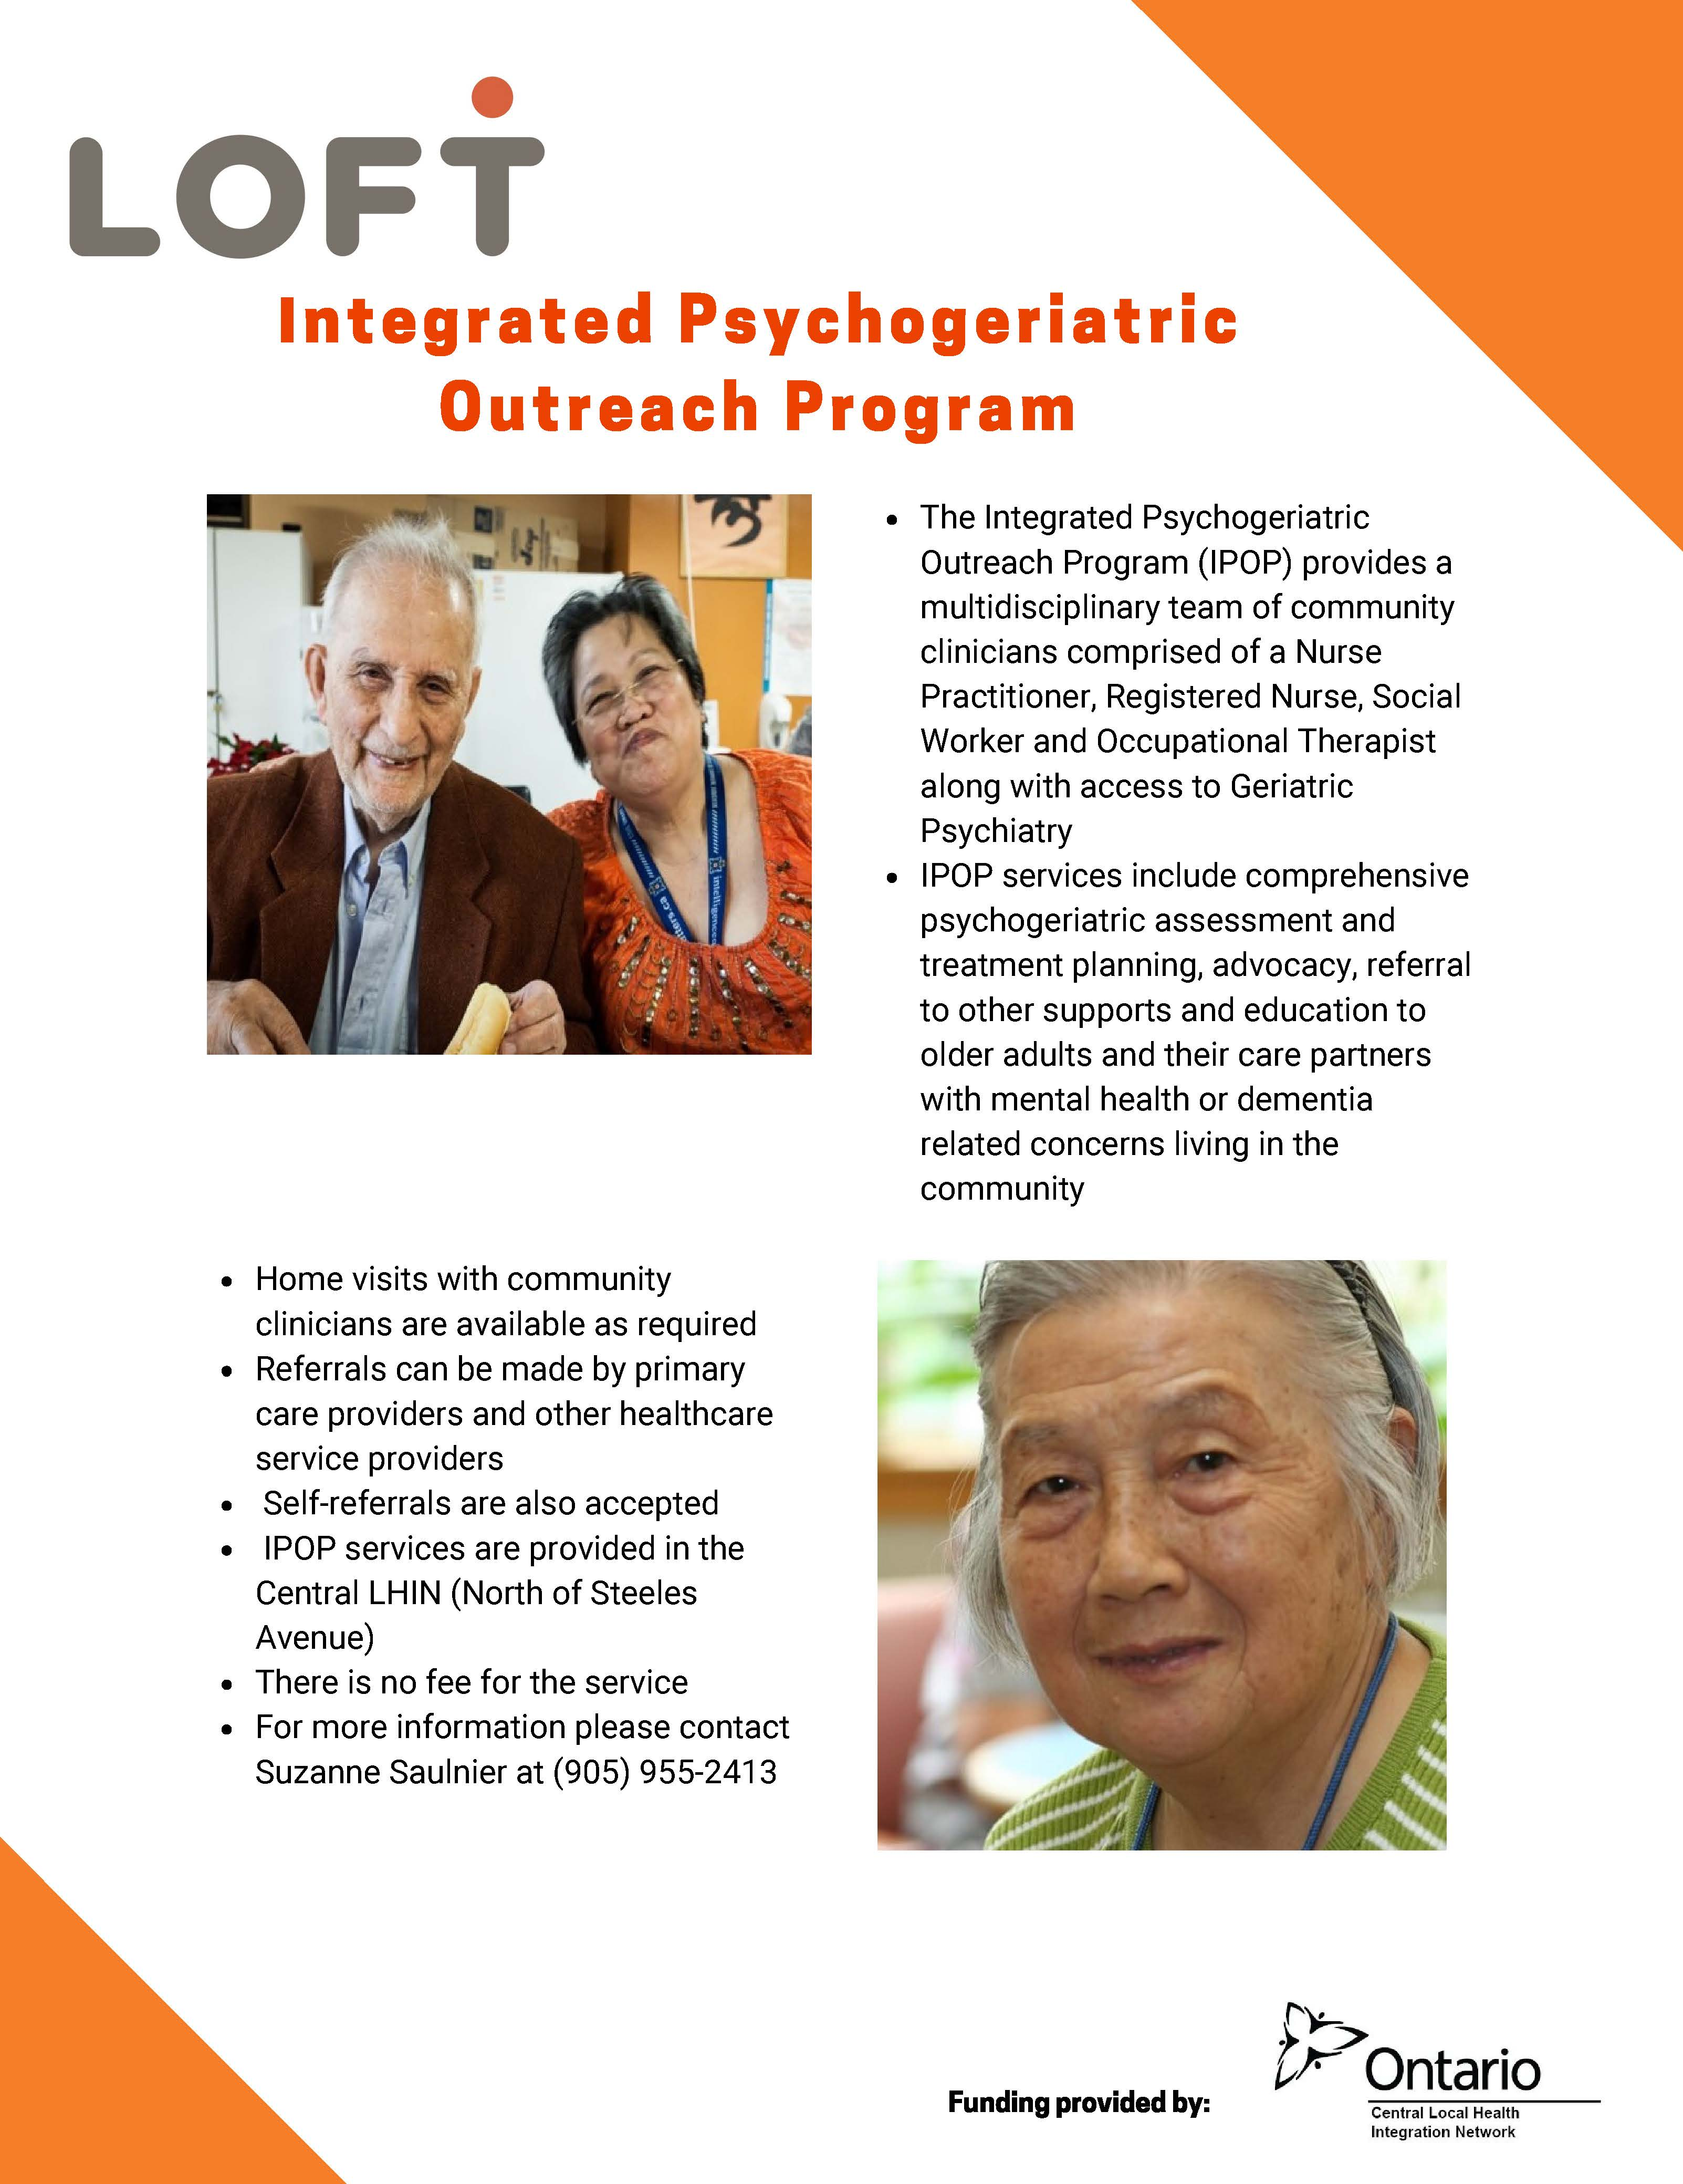
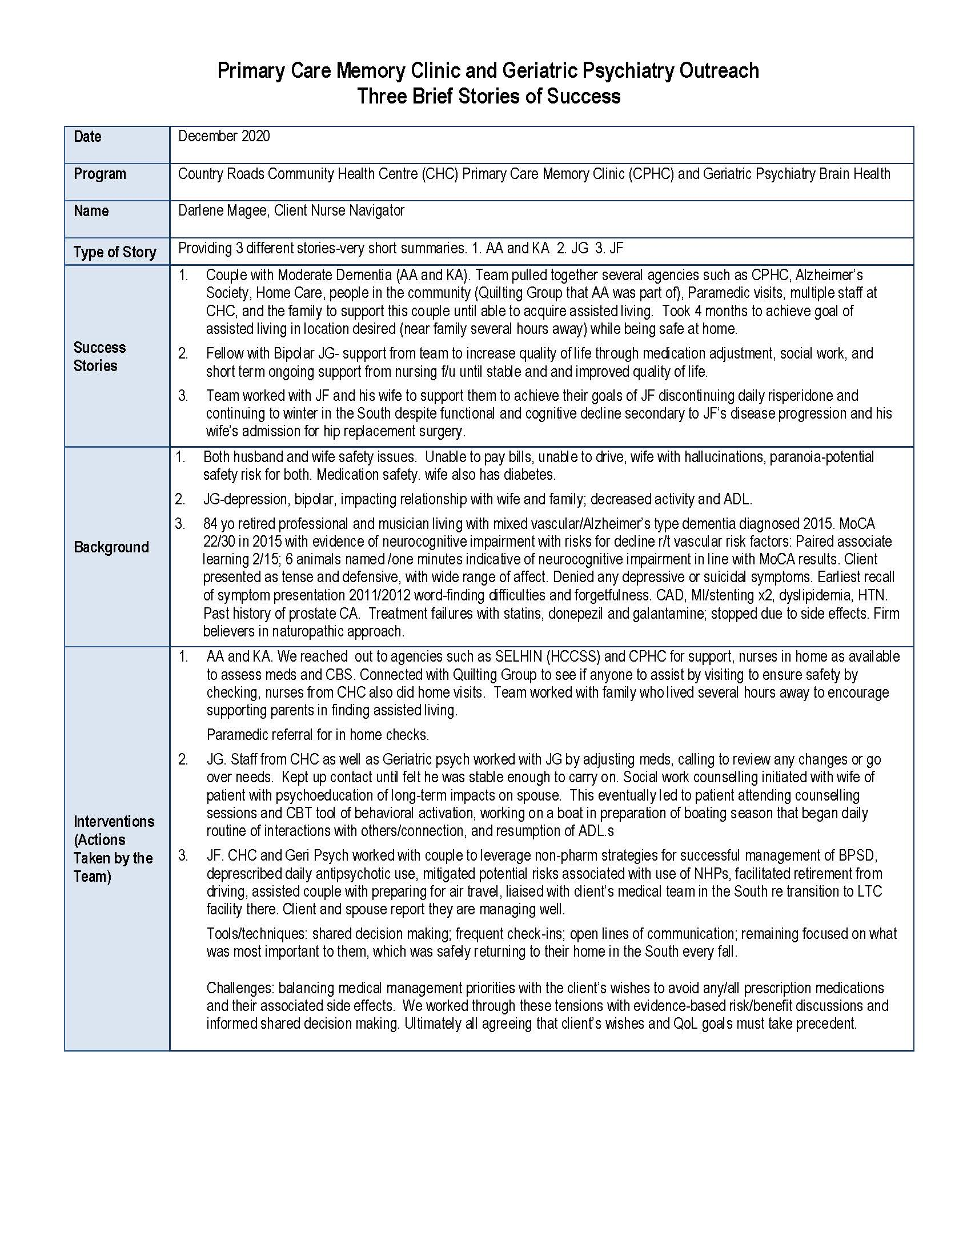
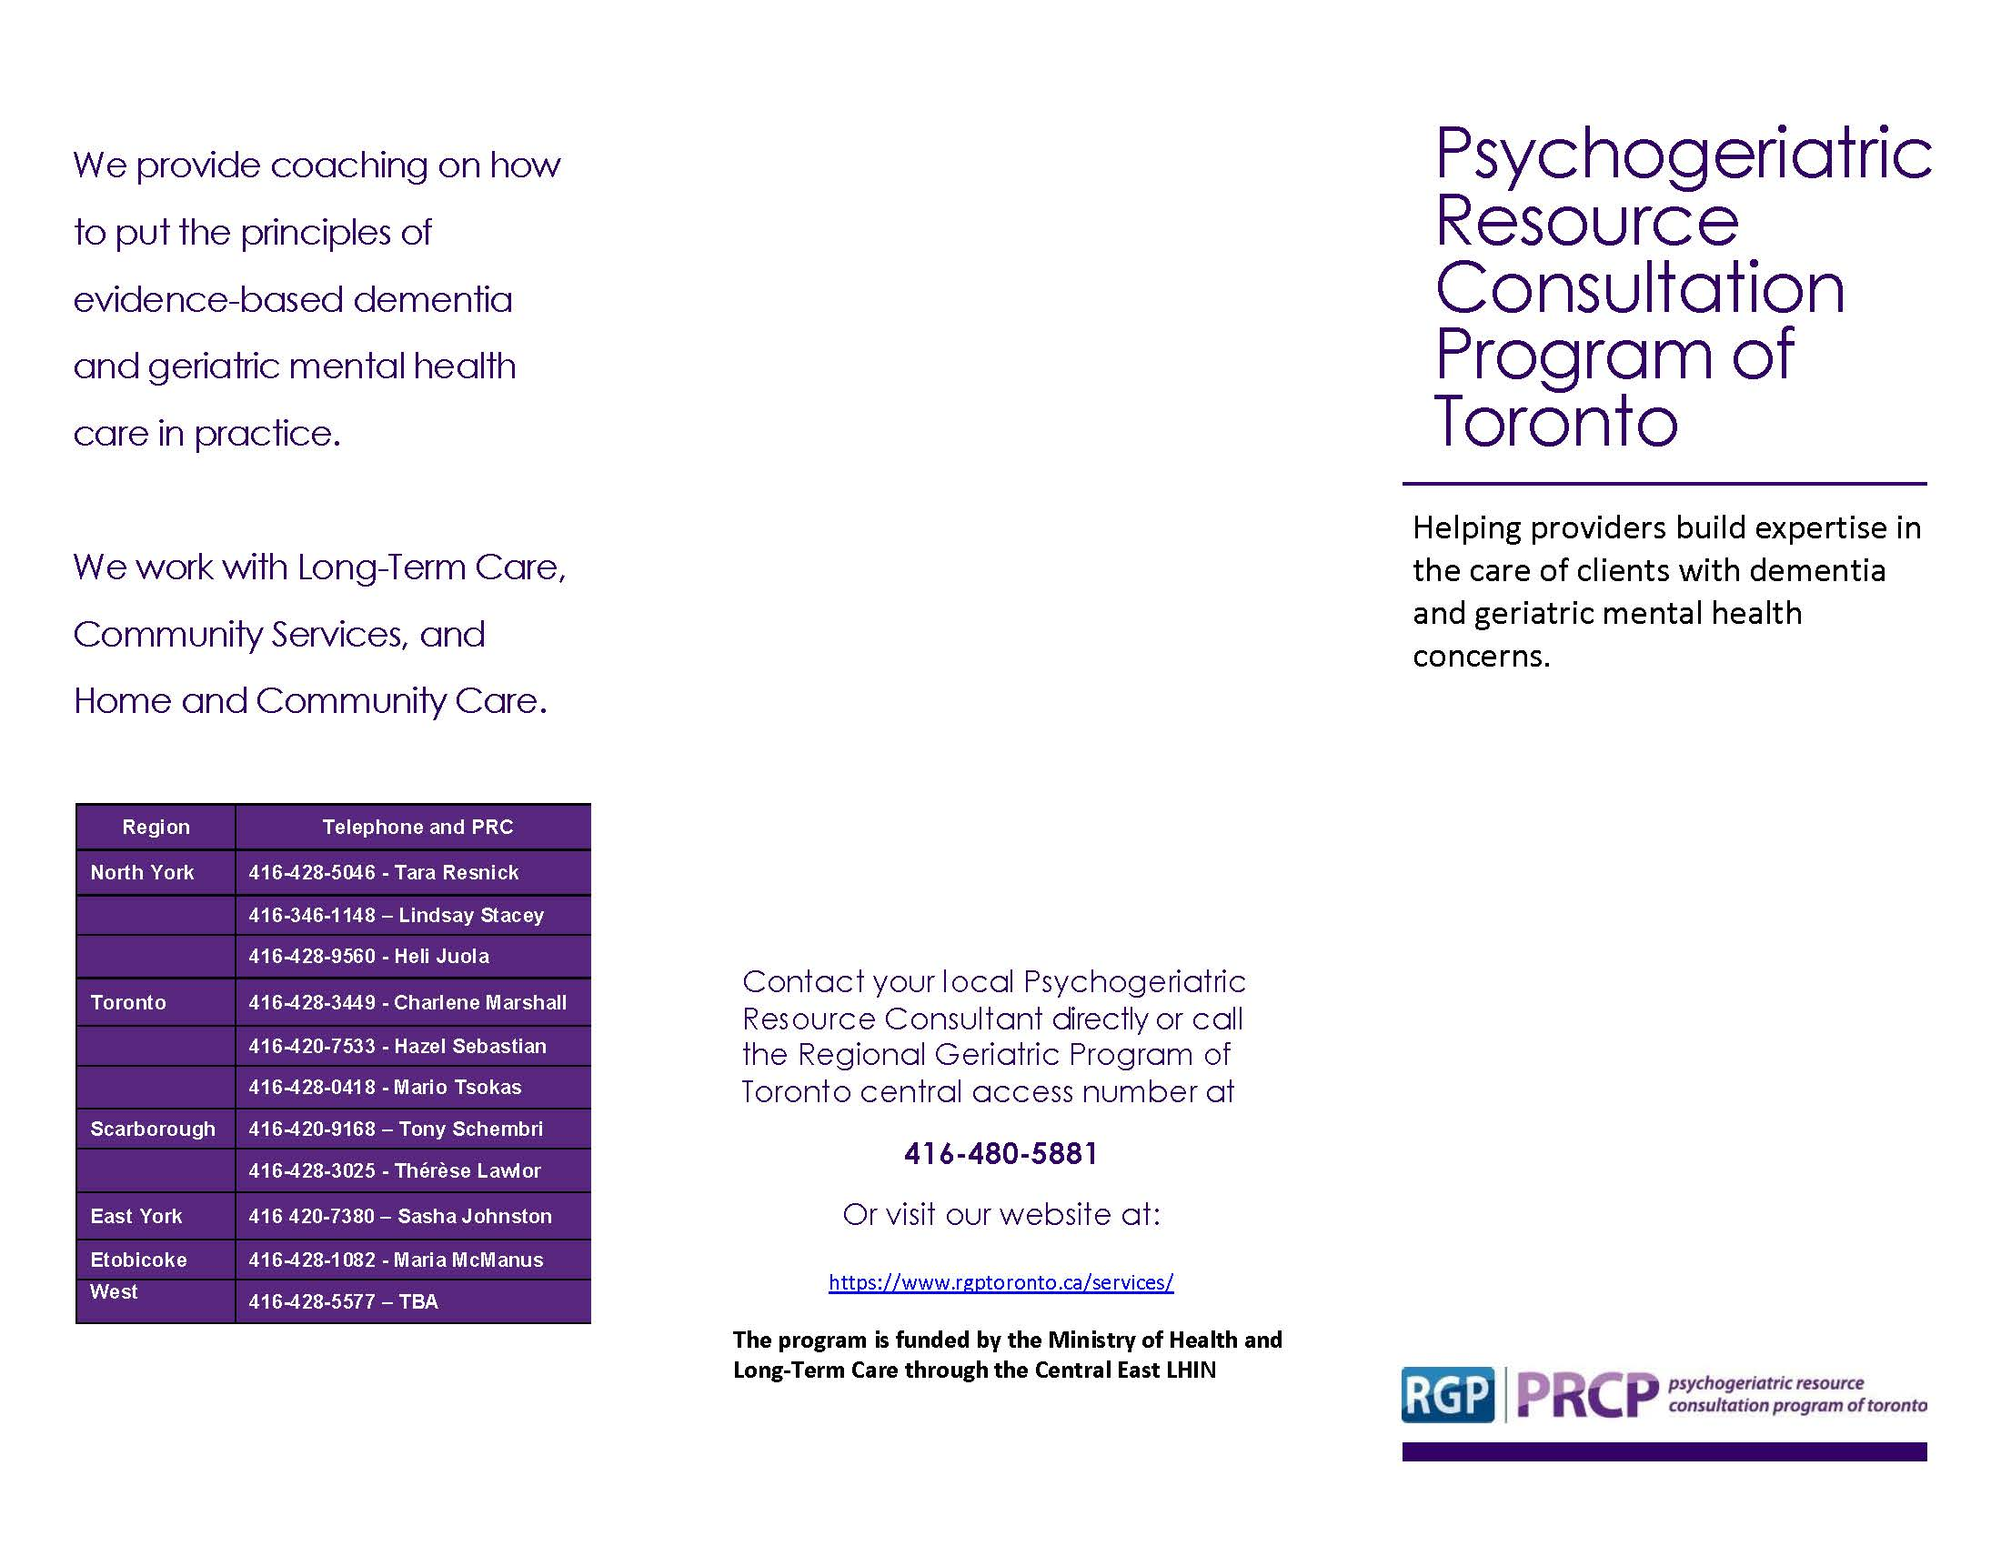
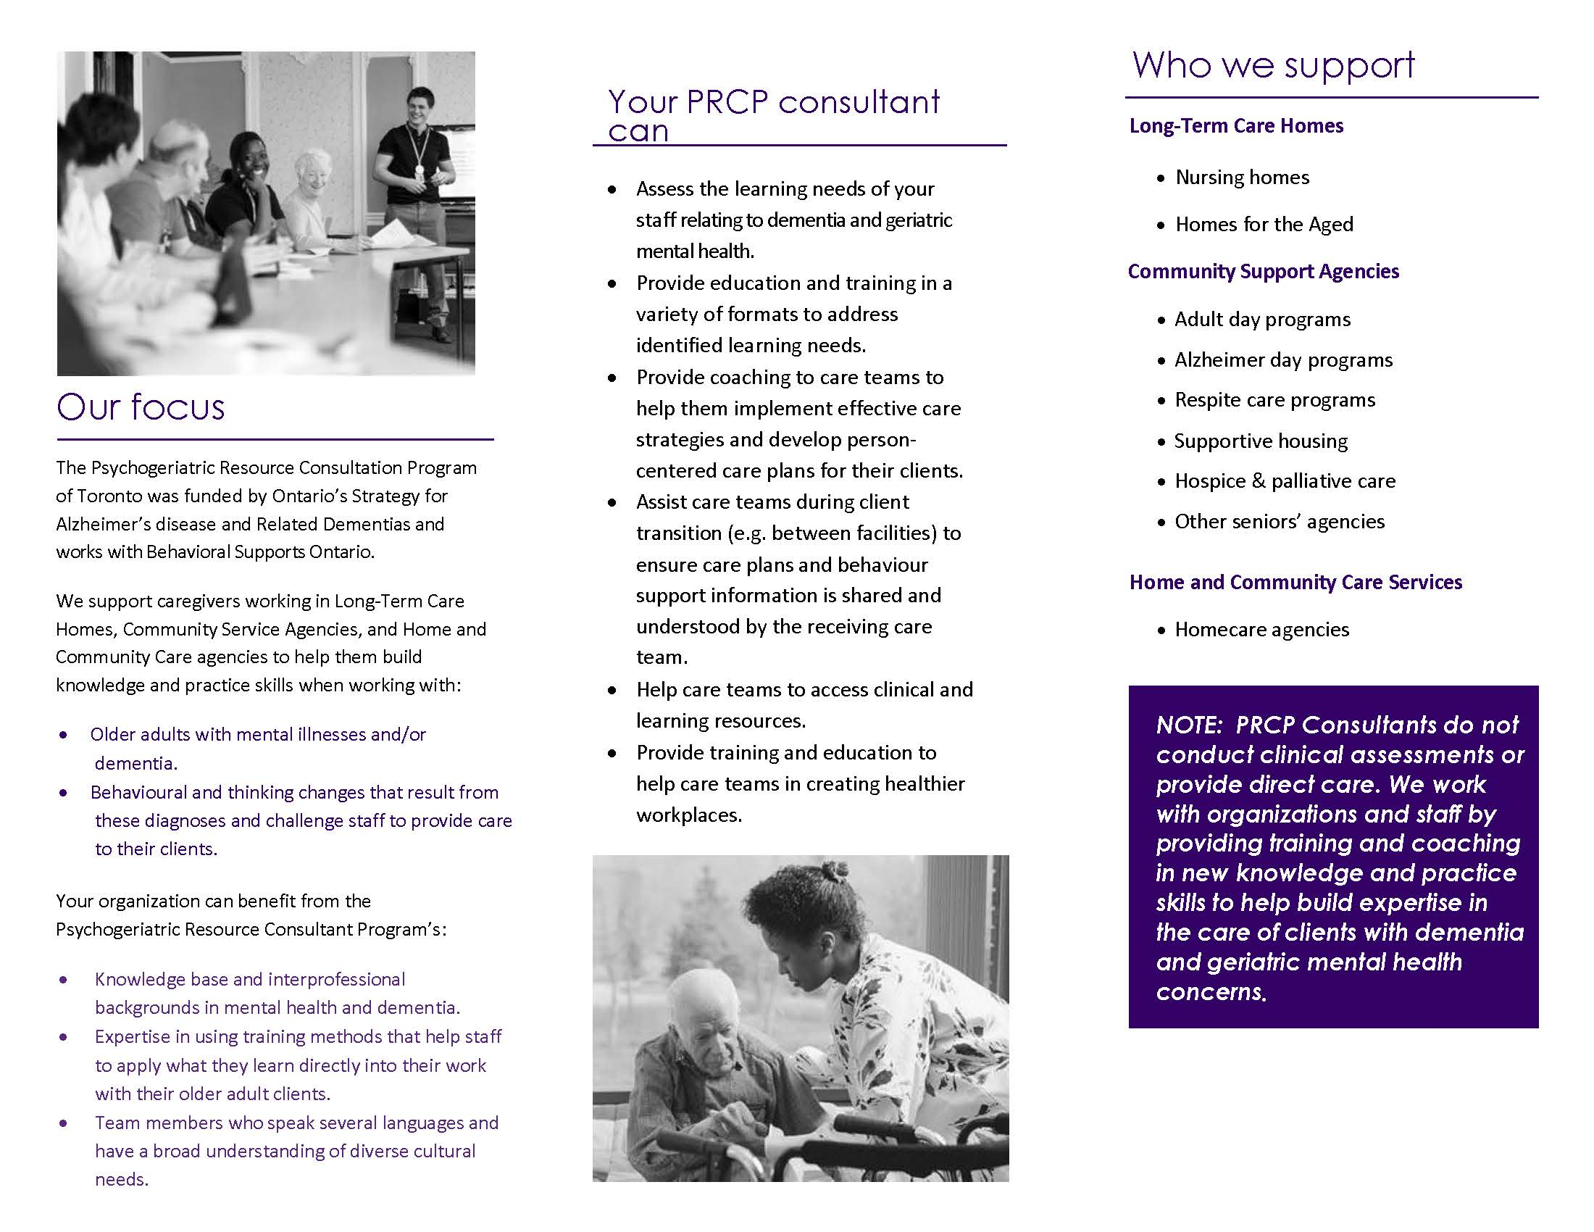
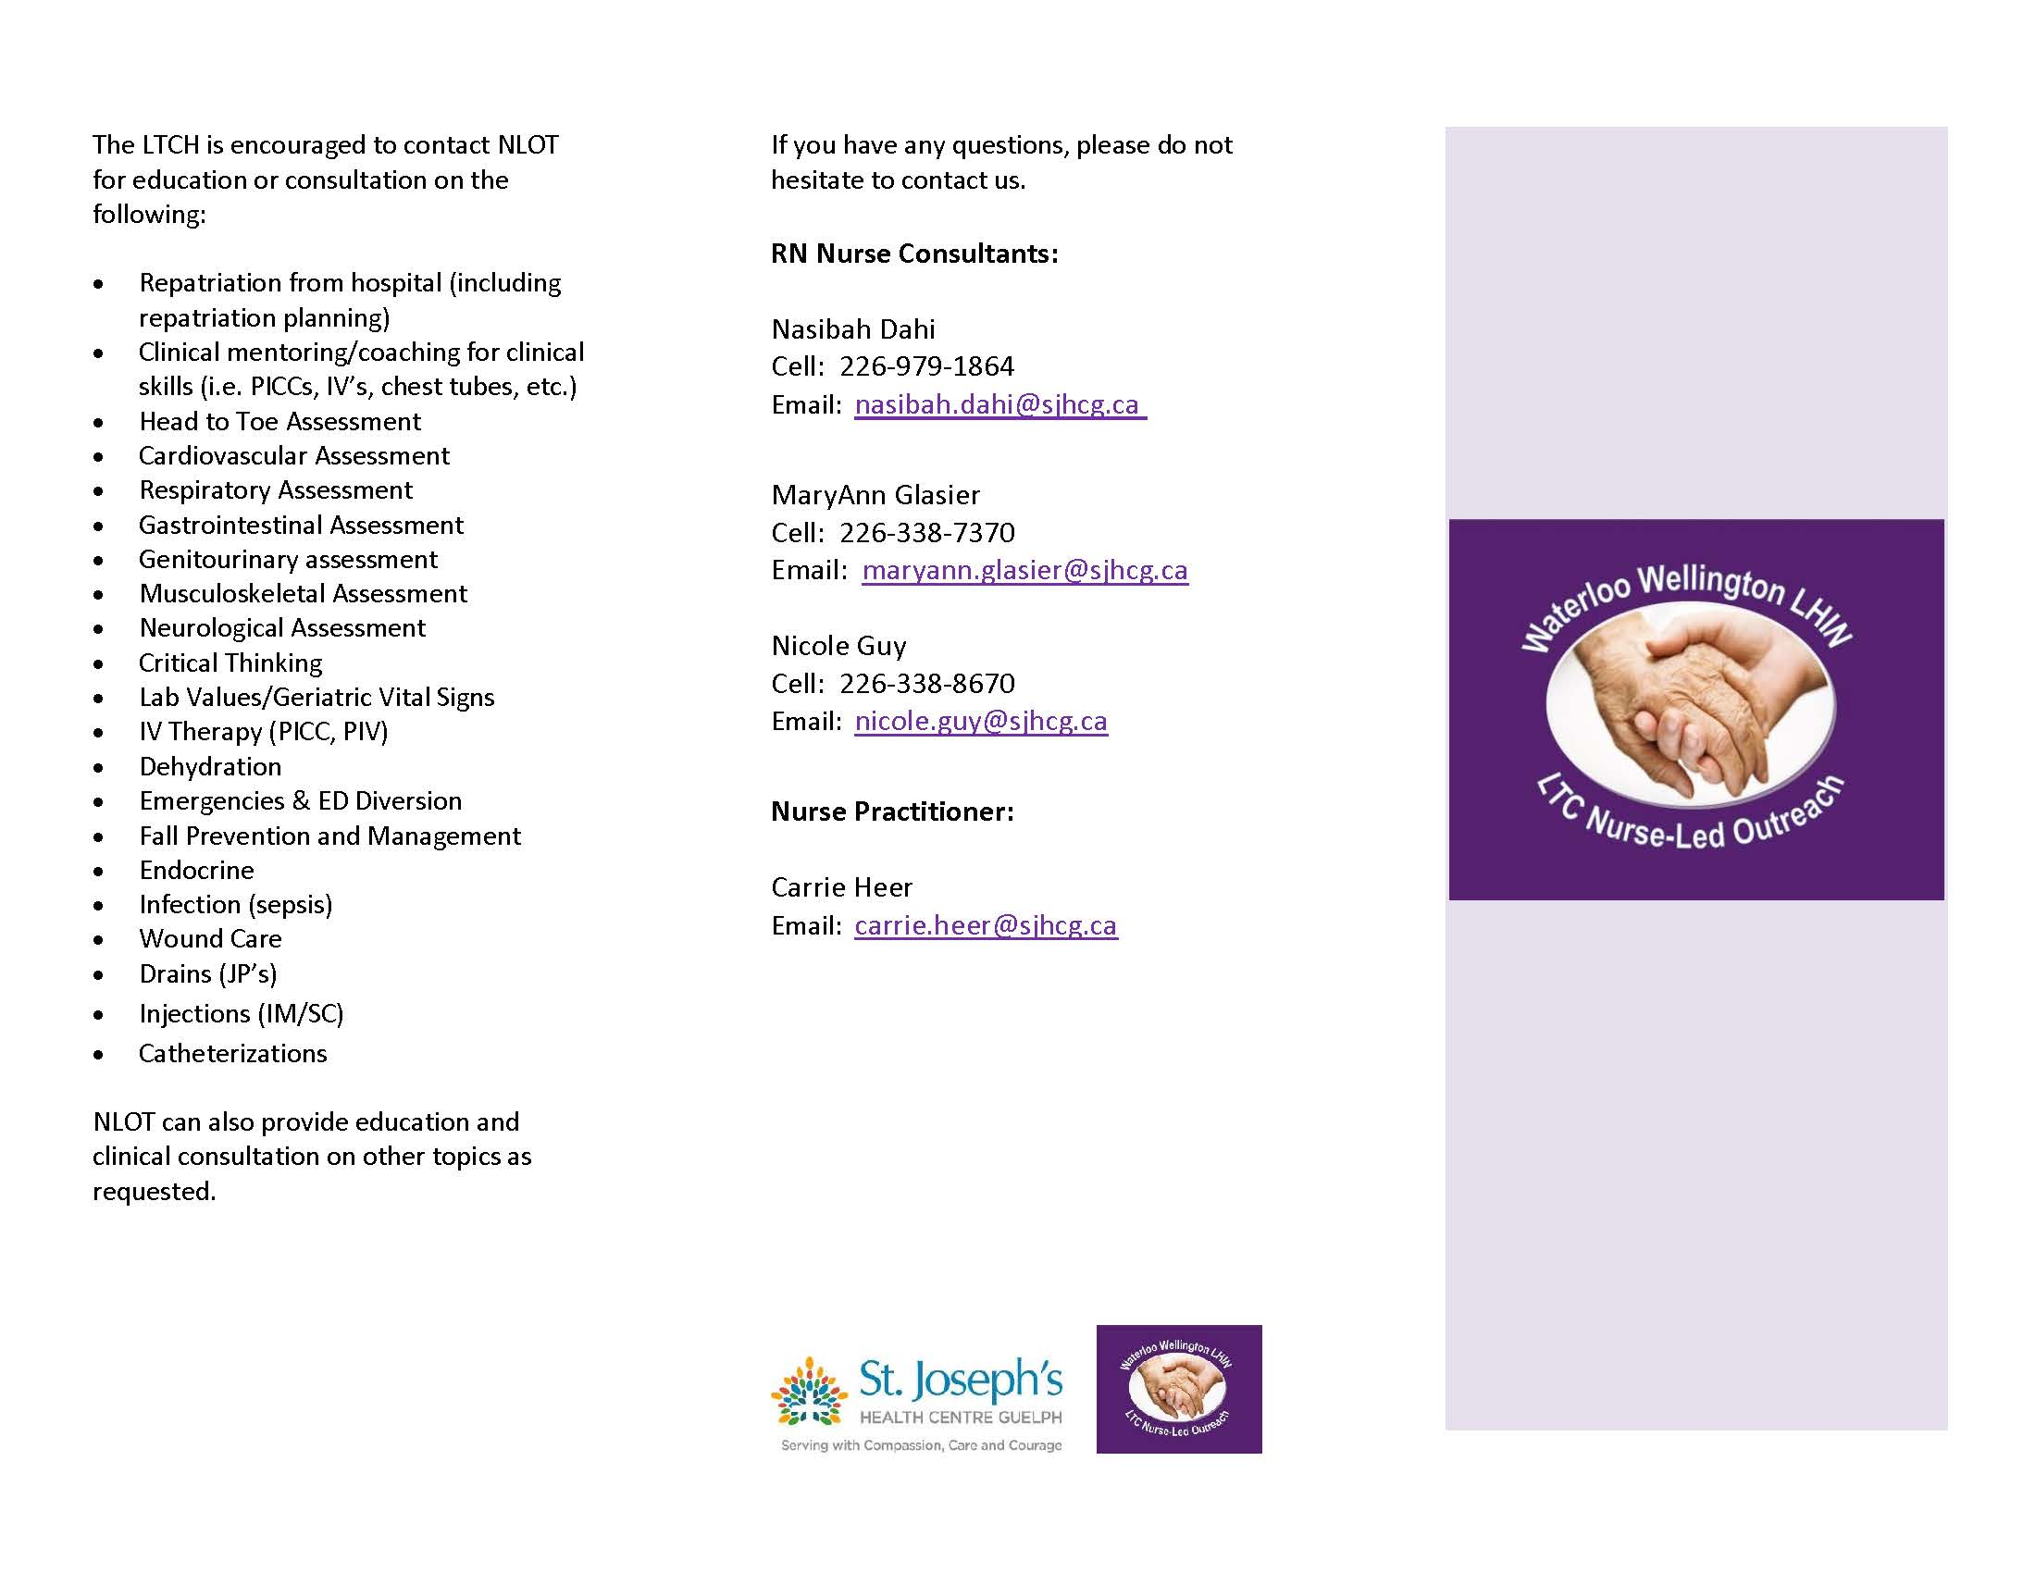
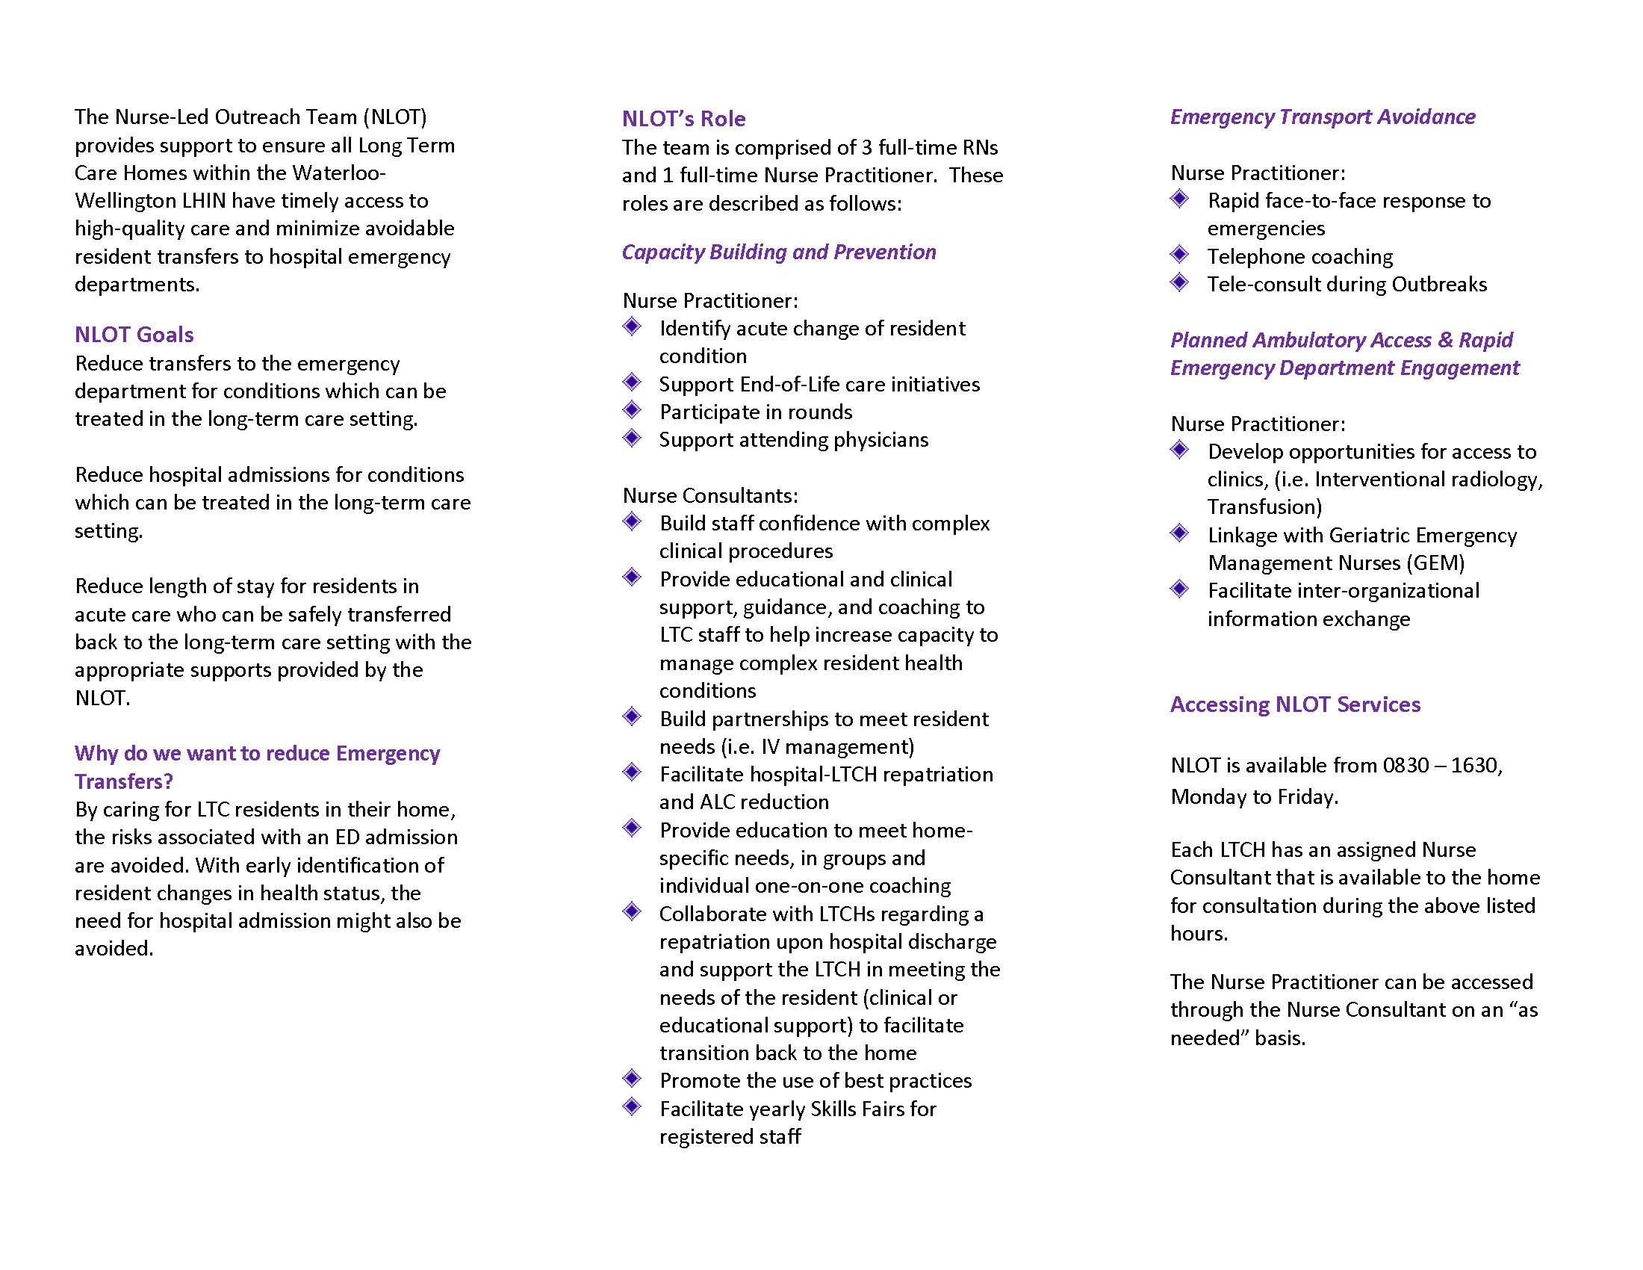
The 2019-2022 Specialized and Focused Geriatric Services Asset Inventory

Featured Success Stories

Data collection for the SGS Asset Inventory includes an invitation to programs and service to sunmitt success stories and other narrative information to promote understanding of the work of SGS, the complexity of the patient population and the wide range of expert-informed and innovative interventions developed and implement to support older adults to remain living at home. This section includes a sampling of anonymized stories submitted by contributors, and several program descriptions that offer insights into the work of SGS.

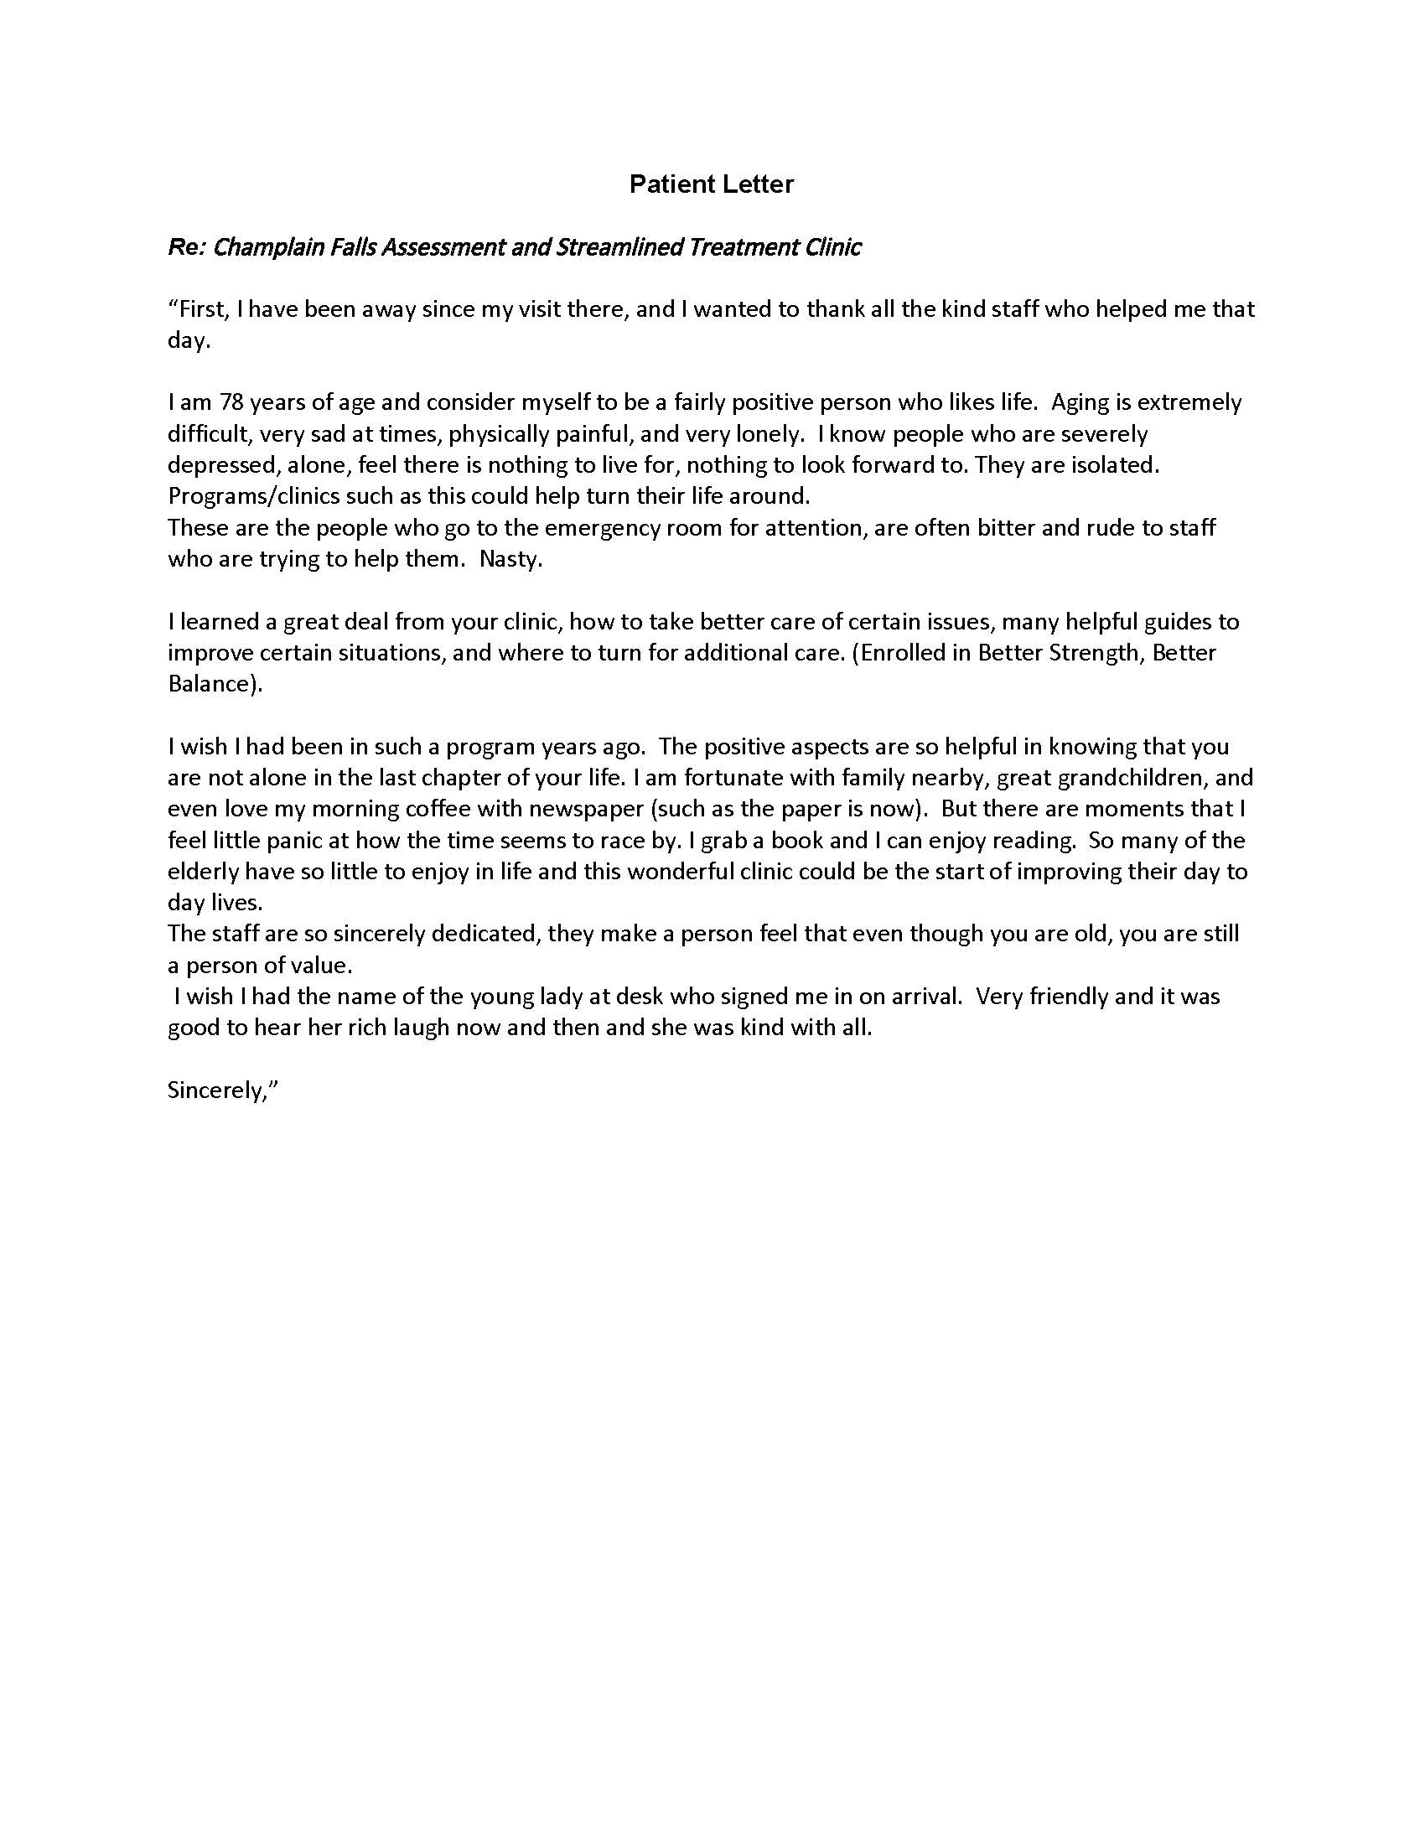
Click to view narrative information
Click to view narrative information
Service Type
Geriatric Medicine Rehabilitation Units
Geriatric Medicine Day Hospitals
Click to view narrative information
Geriatric Emergency Management (Nurses)
Click to view narrative information
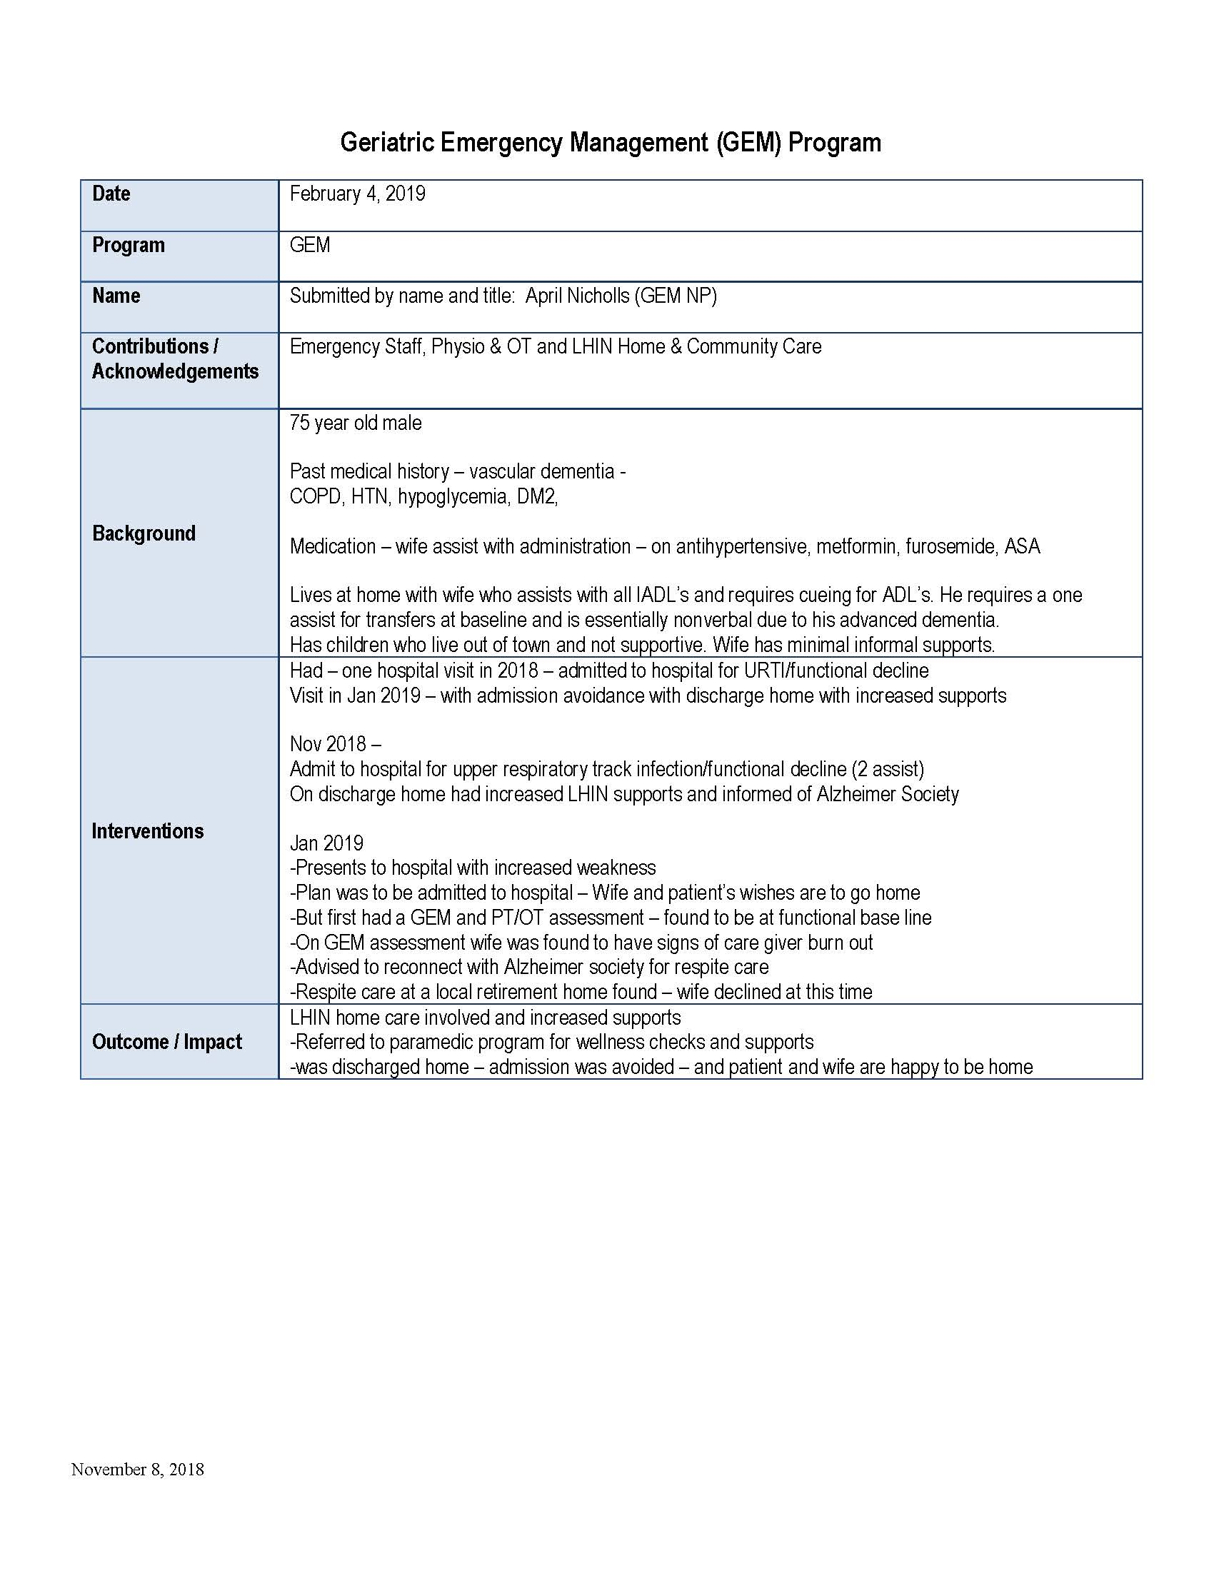
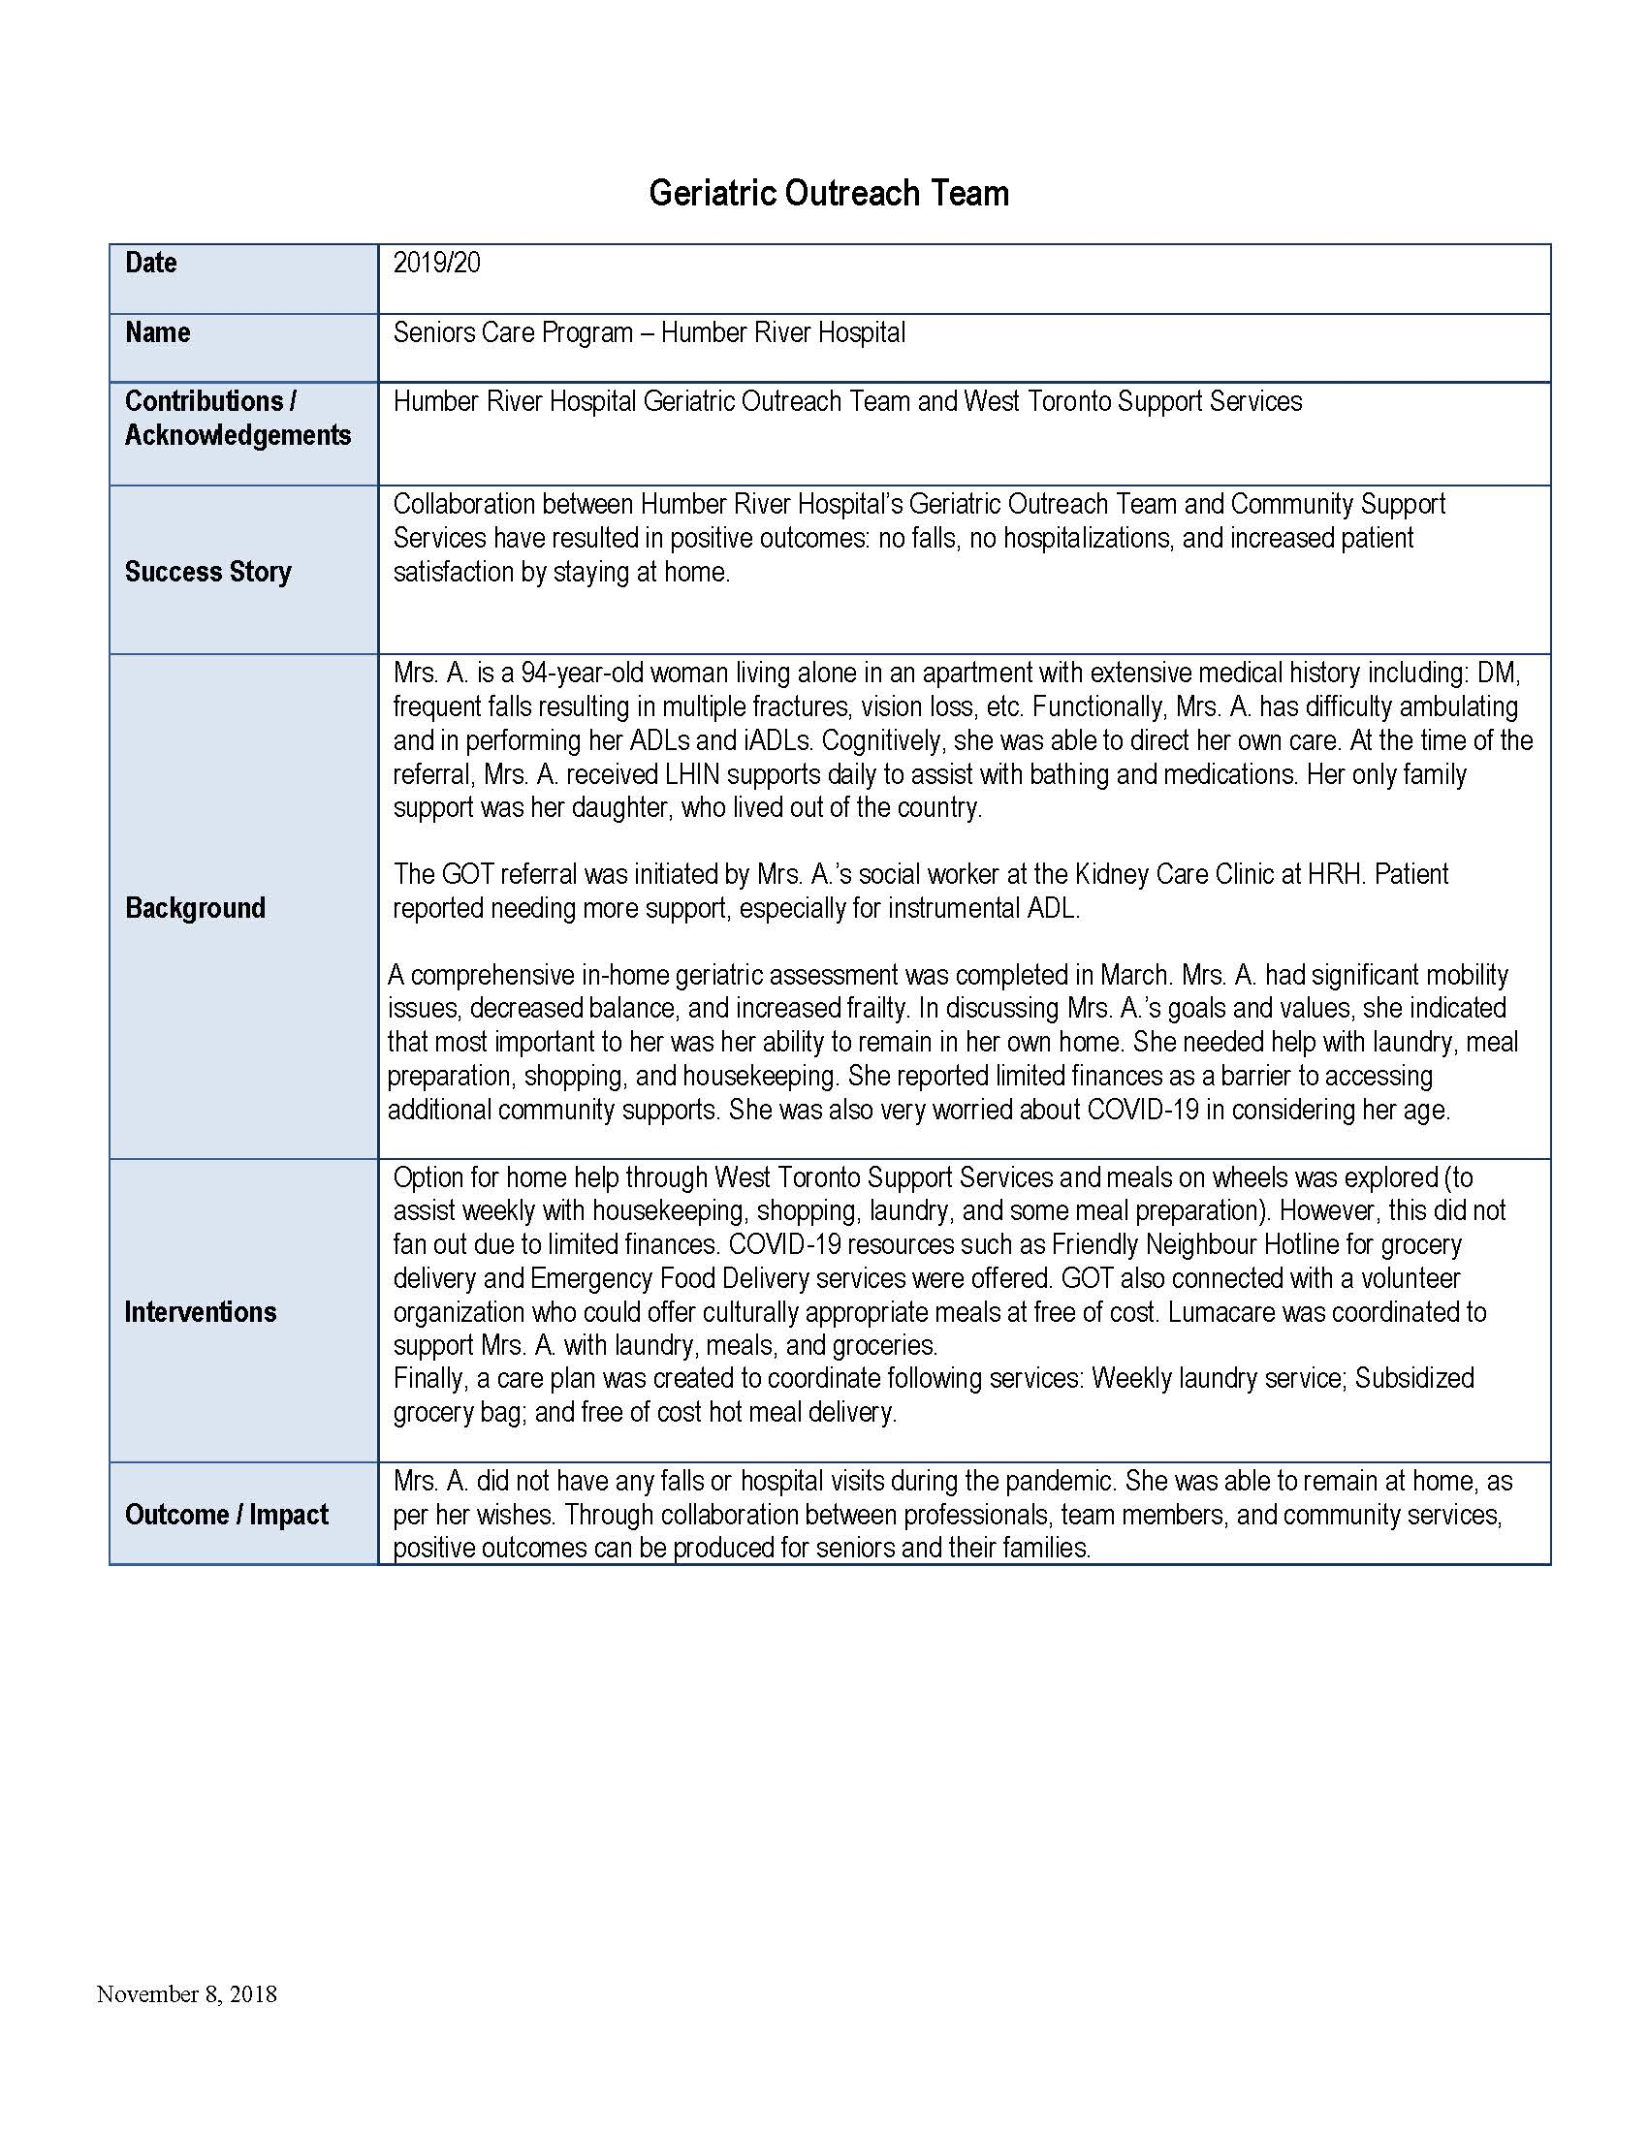
Geriatric Outreach Teams
Click to view narrative information
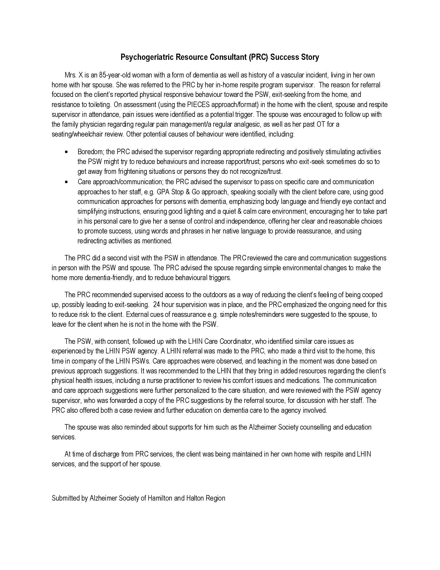
Geriatric Psychiatry Outreach Teams
Click to view narrative information
Nurse Led Outreach Teams (NLOTs)
Click to view narrative information
Primary Care Collaborative Memory Clinics (includes MINT clinics) (d)
Click to view narrative information
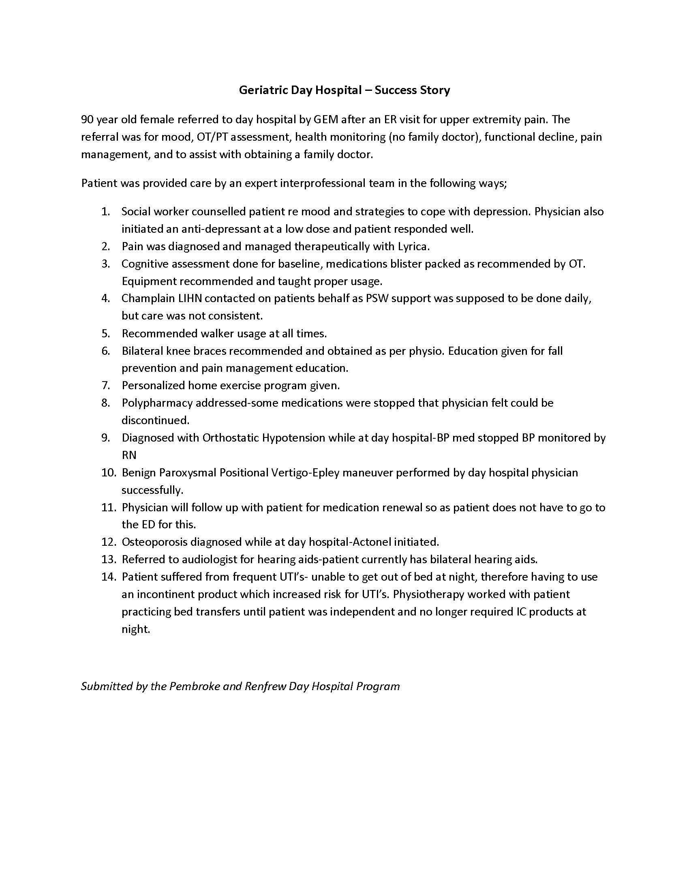
Psychogeriatric Resource Consultants
Click to view narrative information
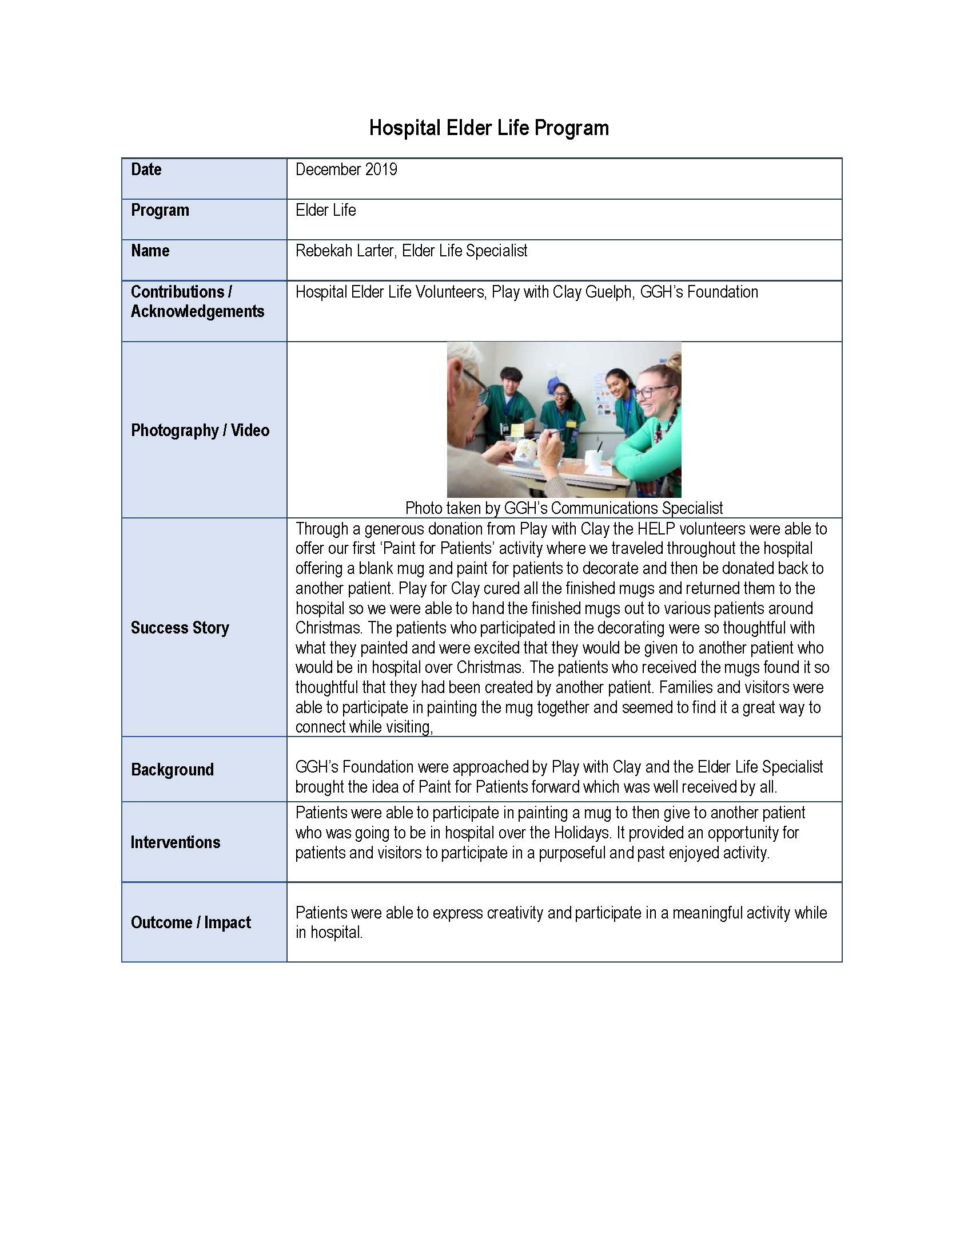
Falls/Falls Prevention Clinic/Program
Click to view narrative information
Hospital Elder Life Program

Dashboard
The 2019-2022 Specialized and Focused Geriatric Services Asset Inventory Dashboard
V. March 14, 2023

Note: To view larger images, increase the magnification on the page or click the coloured button found in each tile to go to the elarged view found in the tab of the same colour

Total Number of Unique Patients Served by Specialized Geriatric Services Type, Health Region and Fiscal Year
 | In-patient Geriatric Co-Management Services | Geriatricians | Hospital Elder Life Program (HELP) | Psychogeriatric Resource Consultants | Nurse Led Outreach Teams (NLOTS) | Specialist Based Memory Clinic Models | Tertiary Non-Dementia Geriatric Psychiatry Units | Geriatric Telemedicine/Telepsychiatry Service | Geriatric Medicine Day Hospitals | Care of the Elderly Physicians | Community Paramedicine | Other (Enter Service Type)
Total | - | - | - | - | - | 34 | 50 | 125 | 149 | 461 | 482 | 505

Unique Patients
Number

Number of Specialized Geriatric Services by Type and Facility
 | Total
Trillium Health Partners - Credit Valley | 1
Trillium Health Partners - Queensway | 1
Waypoint Centre for Mental Health Care - Main Location | 1

Total Visits by SGS Type, Health Region and Fiscal Year
 | Total Visits Anually | Visits by Telephone | Visits by Video
Bruyere Continuing Care | 877 | 231 | 0
Campbellford Memorial Hospital | 1936 | 999 | 0
Care First Seniors | 2268 | 1411 | 21
Carea Community Health Centre | 1558 | 1022 | 35
Community Care City of Kawartha Lakes | 1944 | 1139 | 0
Haliburton Highlands Health Services - Minden | 1734 | 925 | 1
Peterborough Regional Health Centre | 2286 | 531 | 0
Port Hope Community Health Centre | 2945 | 1699 | 54
Queensway-Carleton Hospital | 846 | 202 | 0
Royal Ottawa Mental Health Centre | 8337 | 0 | 0
Scarborough Health Network - Centenary | 2981 | 1513 | 705
Scarborough Health Network - General Campus | 3487 | 591 | 120
Senior Persons Living Connected (SPLC) | 1768 | 843 | 32

Visits

Wait Times

 | Geriatric Outpatient Clinics
Barrie Community Family Health Team | 127
Cambridge Memorial Hospital | 97
Canadian Mental Health Association - Waterloo Wellington | 74.1
Couchiching Family Health Team | 0
Georgian NP Led Clinic | 28
Grey Bruce Health Services - Owen Sound | 0
Hopital Montfort | 0
Hotel Dieu Shaver Health and Rehabilitation Centre | 370
HSN-NESGC Cochrane | 43
HSN-NESGC Sudbury | 58
HSN-NESGC Timiskaming | 201
Humber River Hospital - Wilson | 0
Lakeridge Health - Oshawa | 0
MacKenzie Health - Richmond Hill | 114.67
Niagara Health System - Greater Niagara | 242.6
Niagara Health System - St. Catharines | 0
North York General Hospital - General Site | 116
Providence Care Hospital - Kingston | 0
Providence Healthcare | 136
Royal Victoria Regional Health Centre | 0
Sinai Health System - Mount Sinai | 60
St. Joseph's Health Care Hamilton - Charlton Campus | 280
St. Joseph's Health Centre Guelph | 92.9
St. Michael's Hospital | 90
Trillium Health Partners - Credit Valley | 90
Trillium Health Partners - Queensway | 90
University Health Network - Princess Margaret | 0
University Health Network - Toronto Rehabilitation Institute | 0
Upper Grand Family Health Team | 14
Waypoint Centre for Mental Health Care - Main Location | 0
West Park Health Centre | 205

Health Human Resources by Health Region, Discipline, Fiscal Year, SGS Type and Facility
 | Total Geriatrician | Total Geriatric Psychiatrist | Total Care Elderly Primary Care Physician | Total Nurse Practitioner | Total Registered Nurse | Total Registered Practical Nurse | Total Personal Support Worker UCP | Total Social Worker | Total Pharmacist | Total Dietitian | Total Physiotherapist | Total Occupational Therapist
Central | 63.64 | 1.30 | 2.00 | 23.13 | 60.02 | 33.57 | 21.60 | 14.85 | 4.50 | 1.78 | 9.30 | 15.50
East | 14.36 | 14.51 | 12.71 | 19.38 | 113.71 | 68.63 | 8.70 | 26.70 | 10.22 | 2.07 | 24.12 | 36.09
North East | 1.00 | 0.29 | 5.40 | 3.00 | 20.30 | 11.80 | 2.50 | 5.50 | 0.40 | 0.50 | 4.50 | 7.30
North West | 0.00 | 1.46 | 0.00 | 0.00 | 3.80 | 5.60 | 0.00 | 11.50 | 0.00 | 0.00 | 0.00 | 1.00
Toronto | 22.85 | 9.68 | 11.30 | 6.10 | 89.95 | 49.50 | 15.90 | 16.95 | 7.85 | 3.30 | 26.38 | 26.55
West | 10.02 | 2.49 | 0.27 | 8.60 | 39.47 | 23.90 | 5.40 | 6.40 | 3.75 | 0.75 | 3.55 | 6.35

Health Human Resources

Interactive Maps

2019-2020 Map
2020-2021 Map
2021-2022 Map

Adjust filter to view specific service types
Adjust filter to view specific service types
Adjust filter to view specific service types

Number
The 2019-2022 Specialized and Focused Geriatric Services Asset Inventory

Number of Specialized Geriatric Services by Type and Facility
Type of SGS by Facility | Number SGS by Type Name
Falls/Falls Prevention Clinic/Program | 3
Trillium Health Partners - Credit Valley | 1
Trillium Health Partners - Queensway | 1
Waypoint Centre for Mental Health Care - Main Location | 1
Grand Total | 3

Unique Patients
The 2019-2022 Specialized and Focused Geriatric Services Asset Inventory

Fiscal | 2021-22
Health Region | Central
Facility Name | (All)

 | Column Labels
 | In-patient Geriatric Co-Management Services | Geriatricians | Hospital Elder Life Program (HELP) | Psychogeriatric Resource Consultants | Nurse Led Outreach Teams (NLOTS) | Specialist Based Memory Clinic Models | Tertiary Non-Dementia Geriatric Psychiatry Units | Geriatric Telemedicine/Telepsychiatry Service | Geriatric Medicine Day Hospitals | Care of the Elderly Physicians | Community Paramedicine | Other (Enter Service Type) | Primary Care Collaborative Memory Clinics (includes MINT clinics) | Falls/Falls Prevention Clinic/Program | Geriatric Emergency Management (Nurses) | Geriatric Psychiatry Outreach Teams | Acute Geriatric Units/Acute Care of the Elderly Units | Geriatric Outpatient Clinics | Geriatric Outreach Teams | Grand Total
Sum of Num Unique Patients Served | - | - | - | - | - | 34 | 50 | 125 | 149 | 461 | 482 | 505 | 575 | 597 | 1,148 | 1,153 | 2,110 | 2,854 | 3,246 | 13,489

Total Number of Unique Patients Served by Specialized Geriatric Services Type, Health Region and Fiscal Year

Visits
 | The 2019-2022 Specialized and Focused Geriatric Services Asset Inventory

Total Visits by SGS Type, Health Region and Fiscal Year
SGS Service Type | Total Visits Anually | Visits by Telephone | Visits by Video
Geriatric Outreach Teams | 32,967 | 11,106 | 968
Bruyere Continuing Care | 877 | 231 | 0
Campbellford Memorial Hospital | 1936 | 999 | 0
Care First Seniors | 2268 | 1411 | 21
Carea Community Health Centre | 1558 | 1022 | 35
Community Care City of Kawartha Lakes | 1944 | 1139 | 0
Haliburton Highlands Health Services - Minden | 1734 | 925 | 1
Peterborough Regional Health Centre | 2286 | 531 | 0
Port Hope Community Health Centre | 2945 | 1699 | 54
Queensway-Carleton Hospital | 846 | 202 | 0
Royal Ottawa Mental Health Centre | 8337 | 0 | 0
Scarborough Health Network - Centenary | 2981 | 1513 | 705
Scarborough Health Network - General Campus | 3487 | 591 | 120
Senior Persons Living Connected (SPLC) | 1768 | 843 | 32
Grand Total | 32,967 | 11,106 | 968

Health Human Resources
The 2019-2022 Specialized and Focused Geriatric Services Asset Inventory

Row Labels | Total Geriatrician | Total Geriatric Psychiatrist | Total Care Elderly Primary Care Physician | Total Nurse Practitioner | Total Registered Nurse | Total Registered Practical Nurse | Total Personal Support Worker UCP | Total Social Worker | Total Pharmacist | Total Dietitian | Total Physiotherapist | Total Occupational Therapist | Total Primary Care Physician | Total Administration | Total Physiotherapy Assistant | Total Occupational Therapy Assistant | Total Therapeutic Recreationist | Total Speech Language Pathologist | Total Community Paramedic | Total Mental Health And Addiction Worker
Central | 63.64 | 1.30 | 2.00 | 23.13 | 60.02 | 33.57 | 21.60 | 14.85 | 4.50 | 1.78 | 9.30 | 15.50 | 0.40 | 28.66 | 1.60 | 1.60 | 5.30 | 1.73 | 26.48 | 0.00
East | 14.36 | 14.51 | 12.71 | 19.38 | 113.71 | 68.63 | 8.70 | 26.70 | 10.22 | 2.07 | 24.12 | 36.09 | 0.37 | 28.93 | 2.50 | 2.50 | 2.27 | 1.60 | 0.00 | 0.00
North East | 1.00 | 0.29 | 5.40 | 3.00 | 20.30 | 11.80 | 2.50 | 5.50 | 0.40 | 0.50 | 4.50 | 7.30 | 0.00 | 8.30 | 0.00 | 0.00 | 5.80 | 1.00 | 1.00 | 0.00
North West | 0.00 | 1.46 | 0.00 | 0.00 | 3.80 | 5.60 | 0.00 | 11.50 | 0.00 | 0.00 | 0.00 | 1.00 | 0.00 | 0.00 | 0.00 | 0.00 | 0.00 | 0.00 | 0.00 | 0.00
Toronto | 22.85 | 9.68 | 11.30 | 6.10 | 89.95 | 49.50 | 15.90 | 16.95 | 7.85 | 3.30 | 26.38 | 26.55 | 4.00 | 18.28 | 6.70 | 7.05 | 4.50 | 2.65 | 0.00 | 0.00
West | 10.02 | 2.49 | 0.27 | 8.60 | 39.47 | 23.90 | 5.40 | 6.40 | 3.75 | 0.75 | 3.55 | 6.35 | 3.10 | 2.89 | 3.35 | 0.20 | 1.25 | 0.80 | 0.00 | 19.00 | Total FTEs
Grand Total | 111.87 | 29.73 | 31.68 | 60.21 | 327.25 | 193 | 54.1 | 81.9 | 26.72 | 8.4 | 67.85 | 92.79 | 7.87 | 87.06 | 14.15 | 11.35 | 19.12 | 7.78 | 27.48 | 19 | 1279.31

Health Human Resources by Health Region, Discipline, Fiscal Year, SGS Type and Facility

Wait times
The 2019-2022 Specialized and Focused Geriatric Services Asset Inventory

Sum of Mean Avg Wait Time | Column Labels
Row Labels | Geriatric Outpatient Clinics | Grand Total
Barrie Community Family Health Team | 127 | 127
Cambridge Memorial Hospital | 97 | 97
Canadian Mental Health Association - Waterloo Wellington | 74.1 | 74.1
Couchiching Family Health Team | 0 | 0
Georgian NP Led Clinic | 28 | 28
Grey Bruce Health Services - Owen Sound | 0 | 0
Hopital Montfort | 0 | 0
Hotel Dieu Shaver Health and Rehabilitation Centre | 370 | 370
HSN-NESGC Cochrane | 43 | 43
HSN-NESGC Sudbury | 58 | 58
HSN-NESGC Timiskaming | 201 | 201
Humber River Hospital - Wilson | 0 | 0
Lakeridge Health - Oshawa | 0 | 0
MacKenzie Health - Richmond Hill | 114.67 | 114.67
Niagara Health System - Greater Niagara | 242.6 | 242.6
Niagara Health System - St. Catharines | 0 | 0
North York General Hospital - General Site | 116 | 116
Providence Care Hospital - Kingston | 0 | 0
Providence Healthcare | 136 | 136
Royal Victoria Regional Health Centre | 0 | 0
Sinai Health System - Mount Sinai | 60 | 60
St. Joseph's Health Care Hamilton - Charlton Campus | 280 | 280
St. Joseph's Health Centre Guelph | 92.9 | 92.9
St. Michael's Hospital | 90 | 90
Trillium Health Partners - Credit Valley | 90 | 90
Trillium Health Partners - Queensway | 90 | 90
University Health Network - Princess Margaret | 0 | 0
University Health Network - Toronto Rehabilitation Institute | 0 | 0
Upper Grand Family Health Team | 14 | 14
Waypoint Centre for Mental Health Care - Main Location | 0 | 0
West Park Health Centre | 205 | 205
Grand Total | 2529.27 | 2529.27

Provincial Programs
The 2019-2022 Specialized and Focused Geriatric Services Asset Inventory
Behavioural Supports Ontario (BSO)
Report prepared by the Behavioural Supports Ontario Provincial Coordinating Office at the North Bay Regional Health Centre
Behavioural Supports Ontario (BSO) provides behavioural healthcare services for older adults in Ontario with, or at risk of, responsive behaviours/personal expressions associated with dementia, complex mental health, substance use, and/or neurological conditions. BSO also supports family care partners and healthcare providers across sectors.
BSO teams work in partnership with several organizations such as Specialized Geriatric Services, Seniors/Geriatric Mental/Psychiatry Outreach Teams, Nurse-led Outreach Teams, Alzheimer Society Chapters, acute and tertiary hospitals, Canadian Mental Health Association Chapters, Home and Community Care Support Services, Geriatric Assessment and Intervention Network, etc.
BSO teams include team members from a variety of disciplines, including nurses, personal support workers, recreation therapists, social workers, behaviour therapists, activation aides, occupational therapists, nurse practitioners, etc.
Quantitative Data Highlights (2020-21 & 2021-22)
BSO Activity Tracking captures cross-sectoral behavioural support services provided by BSO team members across the province. Each quarter, data is submitted to the BSO Provincial Coordinating Office where it is reviewed, collated, and submitted to the Ministries of Health & Long-Term Care. Due to the exceptional circumstances of the COVID-19 pandemic, data from several LTC Homes as well as some community and hospital organizations was unable to be collected during this two-year time period. As such, the volume of behavioural support services in the tables below is significantly underreported and must be interpreted with caution.
BSO in Long-Term Care (LTC)
The volume of services in the table below includes accepted referrals and average caseloads of both BSO LTC embedded teams (i.e., BSO team members that work in a single LTC home) as well as BSO LTC mobile teams (i.e., BSO teams that support several LTC homes).
Provincial Program Submissions

Provincial Programs include government-funded partners who provide provincial coordination, planning, clinical service design, and program delivery to older adults living with complex conditions and their care partners. These partners meet regularly to identify: existing roles and relationships; shared goals and priorities; perspectives and insights to inform provincial planning; and opportunities for ongoing system-wide collaboration. Given that older adults may use a number of different services, several provincial programs have provided summaries for inclusion in this report. Click on the logo below to view the associated program report

 |  | OH West | OH Central | OH Toronto | OH East | OH North | Total
 | FTEs[1] | 267.27 | 218.6 | 64.19 | 216.85 | 100.32 | 867.23
 | 2020-21
 | Accepted Referrals for Individuals (annual total) | 4,260 | 3,410 | 2,665 | 10,583 | 1,260 | 22,178
 | Avg. Caseload of Individuals | 4,000 | 3,653 | 2,460 | 5,106 | 1,229 | 16,446
 | (each quarter)
 | Avg. Caseload of Family Care Partners | 1,183 | 1,230 | 907 | 3,714 | 782 | 7,816
 | (each quarter)
 | 2021-22
 | Accepted Referrals for Individuals (annual total) | 5,346 | 4,789 | 2,360 | 6,470 | 1,523 | 20,488
 | Avg. Caseload of Individuals | 3,655 | 4,018 | 1,737 | 3,996 | 1,406 | 14,811
 | (each quarter)
 | Avg. Caseload of Family Care Partners | 1,437 | 1,597 | 770 | 4,403 | 837 | 9,043
 | (each quarter)
 | [1] Includes BSO FTEs funded to support LTC from the MLTC’s BSO in LTC Investment. Excludes BSO FTEs funded via any other sources (e.g., LTC home-leveraged, OH-leveraged, etc.).

BSO in the Community & Hospital
The volume of services in the community portion of the table below includes accepted referrals and average caseloads from the community and hospital sectors. Data from the community includes all non-LTC and non-Hospital settings such as private dwellings, retirement homes, assisted living, etc. Data from BSO teams that support hospitals can be found in the second portion of the table below. This data includes accepted referrals and average caseloads of both BSO hospital embedded teams (i.e., BSO team members that work in a single hospital) as well as BSO mobile teams (i.e., mobile BSO hospital teams that support several hospitals as well as the hospital-based proportion of services delivered by mobile teams that span several sectors).

 |  | OH West | OH Central | OH Toronto | OH East | OH North | Total
 | 2020-21
 | Community
 | Accepted Referrals for Individuals (annual total) | 6,132 | 2,691 | 723 | 1,521 | 806 | 11,873
 | Avg. Caseload of Individuals | 2,465 | 2,070 | 183 | 1,816 | 492 | 7,026
 | (each quarter)
 | Avg. Caseload of Family Care Partners | 2,036 | 1,545 | 150 | 1,397 | 562 | 5,689
 | (each quarter)
 | Hospital
 | Accepted Referrals for Individuals (annual total) | 1,804 | 1,431 | 264 | 2,148 | 350 | 5,997
 | Avg. Caseload of Individuals | 693 | 740 | 104 | 1,070 | 184 | 2,791
 | (each quarter)
 | Avg. Caseload of Family Care Partners | 372 | 238 | 100 | 373 | 128 | 1,210
 | (each quarter)
 | 2021-22
 | Community
 | Accepted Referrals for Individuals (annual total) | 6,428 | 3,419 | 689 | 1,489 | 907 | 12,932
 | Avg. Caseload of Individuals | 3,188 | 2,213 | 204 | 1,548 | 529 | 7,682
 | (each quarter)
 | Avg. Caseload of Family Care Partners | 2,757 | 645 | 159 | 1,066 | 527 | 5,153
 | (each quarter)
 | Hospital
 | Accepted Referrals for Individuals (annual total) | 1,349 | 2,146 | 313 | 2,275 | 366 | 6,449
 | Avg. Caseload of Individuals | 682 | 1,233 | 109 | 874 | 239 | 3,137
 | (each quarter)
 | Avg. Caseload of Family Care Partners | 337 | 440 | 97 | 491 | 148 | 1,514
 | (each quarter)

Provincial-level summaries of other data collected by BSO teams across sectors can be found in BSO’s annual reports. Please contact the BSO Provincial Coordinating Office directly with any questions regarding this data at provincialbso@nbrhc.on.ca.

